TypeScript
Course | Object | Outline | Content | Comment
1 | Starting | Introduce | 1. MicroSoft, OpenSource 2. Superset of JS, follow ES6/ES5, expand the grammer of JS 3. Like back-end Java / OO C# so that JS develop the huge project. 4. Strongly support from Google. Ng2+ based on TS 5. Vue/React integrated TS 6. Nestjs/midway framwork of Nodejs uses TS. | OO-Object-Oriented ES5 ∈ ES6 ∈TypeScript
 | Installation | Pretreatment | Installed Node.js | > node -v
 |  |  | Install cnpm (optional) | npm install -g cnpm --registry=https://registry.npm.taobao.org
 |  |  | Install yarn (optional) | npm install -g yarn
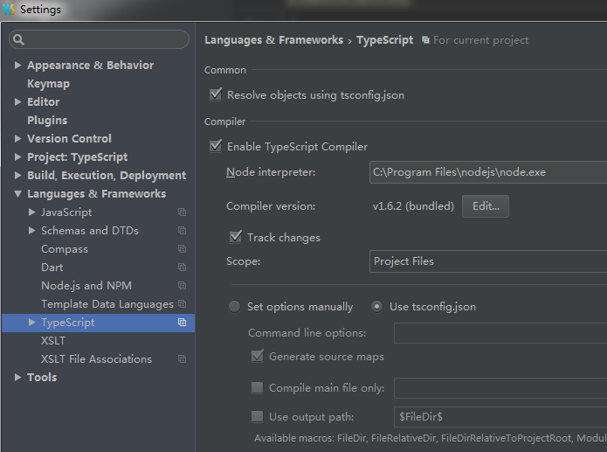
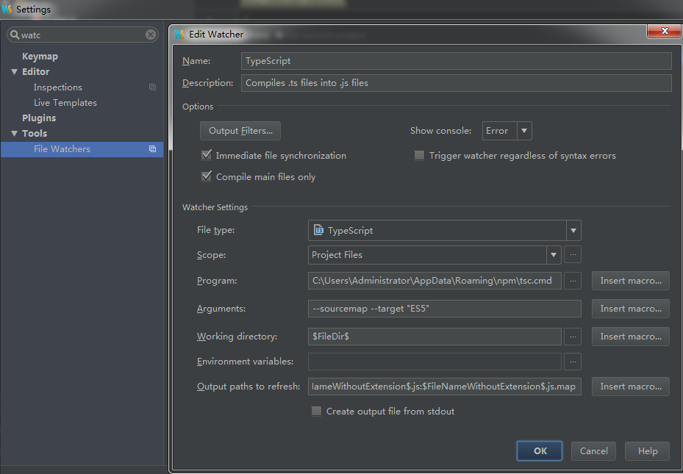
 |  | Install | npm install -g typescript | 未翻墙，较慢
 |  |  | cnpm install -g typescript | 推荐
 |  |  | yarn global add typescript
 |  | Run | tsc helloworld.ts ----> helloworld.js | 1. New Project 2. New index.ts file under Project 3. Edit console.log("hello"); 4. Compile with tsc helloworld.ts because the browser cannot supports the ts only js.
 |  | Tools | VSCode or Webstorm
 |  | Config Env | tsc --init // generate tsconfig.json file | change the content "outDir": "./js",
 |  |  | https://www.cnblogs.com/wfaceboss/p/10043101.html | 当更改ts 文件，js file 即时编译生成，无需手动编译。
2 | Data Type 1 | boolean | var flag:boolean=true; | typescript中为了使编写的代码更规范，更有利于维护，增加了类型校验
 |  |  | var flag = true; flag = 456; | 不能赋予与初始变量类型不同的值，编译不通过。 es5的写法 （正确写法） ts中（错误写法）
 |  | number | var num: number = 123; | 没有整型和浮点型区分，统一 number
 |  | string | let str:string='hello ts';
 |  | array method1 | let arrNum: number[] = [1, 2.3, 456]; | 只能放num, 不能在数据中放 string
 |  |  |  | let arr = [1, "hello", false]; console.log("arr is " + arr); 编译能通过但不推荐
 |  |  | let arrString: string[] = ["html", "ts", "css"];
 |  | array method2 | let arrGenerics:Array<number>=[11,22,33]; | 泛型模式定义数组，要认识
 |  |  |  | 编译后还是ES5 代码 var arrGenerics = [11, 22, 33];
 |  | tuple | let arrTuple:[String, Number, boolean] = ["tuple", 123, false]; | 数组的一种，指定多种类型
 |  |  |  | 编译后 var arrTuple = ["tuple", 123, false];
 |  | enum | //Example1 enum Flag {success=1, error=-1} | 枚举类型（enum）
 |  |  | var enumFlag=Flag.success; | 随着计算机的不断普及，程序不仅只用于数值计算，还更广泛地用于处理非数值的数据。
 |  |  | console.log(enumFlag); | 例如：性别、月份、星期几、颜色、单位名、学历、职业等，都不是数值数据。
 |  |  | //Example2 enum Color {red, orange, yellow, green=10, indigo, blue, purple} | 在其它程序设计语言中，一般用一个数值来代表某一状态，这种处理方法不直观，易读性差。
 |  |  | var color1:Color = Color.red; | 如果能在程序中用自然语言中有相应含义的单词来代表某一状态，则程序就很容易阅读和理解。
 |  |  | var color2:Color = Color.orange; | 也就是说，事先考虑到某一变量可能取的值，尽量用自然语言中含义清楚的单词来表示它的每一个值，
 |  |  | var color3:Color = Color.yellow; | 这种方法称为枚举方法，用这种方法定义的类型称枚举类型。
 |  |  | var color4:Color = Color.green;
 |  |  | var color5:Color = Color.indigo;
 |  |  | console.log("color1 is " + color1); // 0 | enum 枚举名{
 |  |  | console.log("color2 is " + color2); // 1 | 标识符[=整型常数],
 |  |  | console.log("color3 is " + color3); // 2 | 标识符[=整型常数],
 |  |  | console.log("color4 is " + color4); // 10 | ...
 |  |  | console.log("color5 is " + color5); // 11 | 标识符[=整型常数],
 |  |  | console.log(Color.blue); // 12 | } ;
 |  |  | //Example3
 |  |  | enum Err {undefined=-1, "null"=-2, success=1}
 |  |  | var status1:Err=Err.undefined; | pay_status 0 未支付 1 支付 2 交易成功 时间久了就不知道 0 代表什么意思了
 |  |  | var status2:Err=Err.null; | flag 1 true -1 false
 |  |  | var status3:Err=Err.success;
 |  |  | console.log("Status is " + status1); // -1
 |  |  | console.log("Status is " + status2); // -2
 |  |  | console.log("Status is " + status3); // 1
3 | DataType2 | any usage1 | let anyType: any = 123;
 |  |  | console.log("anyType is " + anyType); // 123
 |  |  | anyType = "abc";
 |  |  | console.log("anyType is " + anyType); // abc
 |  | any usage2 | // index.html | // dataType2.ts
 |  |  | <body> | var oBox = document.getElementById("box");
 |  |  | <div id="box"> | oBox.style.color="red";
 |  |  | box | // 虽然有错error TS2531: Object is possibly 'null'，但是可以通过
 |  |  | </div> | // 如果指定Object 类型，又报错，因为没有Object 类型，所以用 any 即可
 |  |  | </body> | var oBox:any = document.getElementById("box");
 |  |  | <script src="js/dataType2.js"></script> // 放在body 之后 | oBox.style.color="red";
 |  | undefined | let undefinedType2: undefined;
 |  | null | var nullType:number | undefined | null; | 有待考证，报错： typescript expression statement is not assignment or call
 |  |  | //一个元素可能是 number类型 可能是null 可能是undefined

 |  | void | function run2(): void { | typescript中的void表示没有任何类型，一般用于定义方法的时候方法没有返回值
 |  |  | console.log('run with void');
 |  |  | }
 |  | never | var c: never; | 是其他类型 （包括 null 和 undefined）的子类型，代表从不会出现的值
 |  |  | c = (()=>{ | 这意味着声明never的变量只能被never类型所赋值
 |  |  | throw new Error('错误'); | 可以用any 替代
 |  |  | })();
4 | Function | Definition | ES5 | ES6
 |  | 函数声明法 | function lie1(){ | function jump1():string{
 |  |  | return 'lie1'; | return 'running';
 |  |  | } | }
 |  |  | lie1(); | jump1();
 |  | 匿名函数 | var lie2=function(){ | var jump2=function():number{
 |  |  | return 'lie2'; | return 123;
 |  |  | }; | };
 |  |  | alert(lie2()); | alert(jump2());
 |  | 定义方法传参 | function getInfo(name:String, age:number): string{ | let getInfo2=function(name: string, age:number): string{
 |  |  | return `${name} --- ${age}` | return `${name} --- ${age}`
 |  |  | } | };
 |  |  | alert(getInfo('Jacky', 20)); | alert(getInfo2('Henry', 30));
 |  | 没有返回值 | function squat1(){ | function squat(): void{
 |  |  | console.log('squat1'); | console.log('squat');
 |  |  | } | }
 |  |  | squat1(); | squat();
 |  | 可选参数 | es5里面方法的实参和行参可以不一样，但是ts中必须一样，如果不一样就需要配置可选参数 | resolve with "？"
 |  |  | function getInfo3(name:String, age:number): string{ | function getInfo3(name:String, age?:number): string{
 |  |  | if (age){
 |  |  | return `${name} --- ${age}` | 可选参数必须配置到参数的最后面
 |  |  | }else {
 |  |  | return `${name} --- 年龄保密`
 |  |  | }
 |  |  | }
 |  |  | alert(getInfo3('Henry'));
 |  |  | //函数编译有报错
 |  | 默认参数 | 调用方法时，调用一个默认的值 es5里面没法设置默认参数，es6和ts中都可以设置默认参数
 |  |  | function getInfo(name:string,age:number=20):string{
 |  |  | if(age){
 |  |  | return `${name} --- ${age}`;
 |  |  | }else{
 |  |  | return `${name} ---年龄保密`;
 |  |  | }
 |  |  | }
 |  |  | alert( getInfo('Jacky'));
 |  |  | alert( getInfo('Jacky', 30));
 |  | 剩余参数 (三点运算符) | function sum(a: number, b: number, c: number, d: number): number{
 |  |  | return a+b+c+d;
 |  |  | }
 |  |  | alert(sum(1,2,3,4));
 |  |  | alert(sum(1,2,3,4,5,6,7)) ; // 当出现这种情况,函数又得重新修改，所以引入三点运算符 | Method2
 |  |  | function sumResult(...result:number[]): number{ | function sumResult2(a: number, b:number, ...result:number[]): number{
 |  |  | let sum=0; | let sum=a+b;
 |  |  | for (let i=0; i<result.length;i++){ | for (let i=0; i<result.length;i++){
 |  |  | sum = sum+result[i]; | sum = sum+result[i];
 |  |  | } | }
 |  |  | return sum; | return sum;
 |  |  | } | }
 |  |  | alert(sumResult(1,2,3,4,5)); | alert(sumResult2(1,2,3,4,5,6));
 |  | 函数重载 | //es5中出现同名方法，下面的会替换上面的方法
 |  |  | function css(config:any):any{ | JS 面向过程， 没有重载功能
 |  |  |  | java中方法的重载：重载指的是两个或者两个以上同名函数，但它们的参数不一样，这时会出现函数重载的情况。
 |  |  | } | typescript中的重载：通过为同一个函数提供多个函数类型定义来试下多种功能的目的。
 |  |  |  | ts为了兼容es5 以及 es6 重载的写法和java中有区别。
 |  |  | function css(config,value){

 |  |  | }
 |  |  | TS 中的重载
 |  |  | Mothod1 | Method2
 |  |  | function getNews(name:string):string; | function getNews(name:string):string;

 |  |  | function getNews(age:number):string; | function getNews(name:string, age:number):string;

 |  |  | function getNews(info:any):any{ | function getNews(name:any, age?:any):any{
 |  |  | if(typeof info === "string"){ | if(age){
 |  |  | return "我是："+ info; | return '我叫：'+ name +'我的年龄是'+age;
 |  |  | }else { | }else {
 |  |  | return "我的年龄是" + info; | return '我叫：'+ name;
 |  |  | } | }
 |  |  | } | }
 |  |  | alert(getNews('Jacky'));
 |  |  | alert(getNews(20)); | alert(getNews('Henry'));
 |  |  | alert(getNews(true)); | alert(getNews("Jacky", 123));
 |  |  | // error: Argument of type 'true' is not assignable to parameter of type 'string'
 |  | 箭头函数 | this指向的问题 箭头函数里面的this指向上下文
 |  |  | //ES5 | setTimeout(()=>{
 |  |  | setTimeout(function(){ | alert('arrow run');
 |  |  | alert('run'); | }, 1000);
 |  |  | }, 1000);
5 | Class1 | Class | ES5
 |  |  | //1.最简单的类
 |  |  | function Person1() {
 |  |  | this.name = 'Jacky';
 |  |  | this.age = 20;
 |  |  | }
 |  |  | var man1 = new Person1();
 |  |  | alert(man1.name + " is " + man1.age);
 |  |  | //2、构造函数和原型链里面增加方法
 |  |  | function Person2() {
 |  |  | // 属性
 |  |  | this.name = "Henry";
 |  |  | // 方法
 |  |  | this.run = function () {
 |  |  | alert(this.name + '在运动');
 |  |  | }
 |  |  | }

 |  |  | //原型链上面的属性会被多个实例共享 构造函数不会
 |  |  | Person2.prototype.sex = "male";
 |  |  | Person2.prototype.work = function () {
 |  |  | alert(this.sex + " " + this.name + '在工作');
 |  |  | };

 |  |  | var man2 = new Person2();
 |  |  | man2.run();
 |  |  | man2.work();
 |  |  | //3. 类里面的静态方法
 |  |  | function Person3() {
 |  |  | this.name = "Peter";
 |  |  | this.run = function () { /*实例方法*/
 |  |  | alert(this.name + '在运动');
 |  |  | }
 |  |  | }

 |  |  | Person3.getInfo = function(){ /*静态方法*/
 |  |  | alert("我是静态方法");
 |  |  | };

 |  |  | // 调用静态方法
 |  |  | Person3.getInfo();
 |  |  | // 4、es5里面的继承 对象冒充实现继承
 |  |  | function Person4() {
 |  |  | this.name = "Jerry";
 |  |  | this.run = function () { /*实例方法*/
 |  |  | alert(this.name + '在运动');
 |  |  | }
 |  |  | }

 |  |  | Person4.prototype.sex = "female";
 |  |  | Person4.prototype.work = function () {
 |  |  | alert(this.sex + " " + this.name + '在工作');
 |  |  | };

 |  |  | // Web类 继承Person类 最常用原型链+对象冒充的组合继承模式
 |  |  | function Web() {
 |  |  | Person4.call(this);
 |  |  | /*对象冒充实现继承*/
 |  |  | }

 |  |  | var w = new Web();
 |  |  | w.run(); //对象冒充可以继承构造函数里面的属性和方法
 |  |  | w.work(); //但是没法继承原型链上面的属性和方法
 |  |  | // 5、es5里面的继承 原型链实现继承
 |  |  | function Person5() {
 |  |  | this.name = 'Frank';
 |  |  | this.age = 20;
 |  |  | this.run = function () {
 |  |  | alert(this.name + '在运动');
 |  |  | }

 |  |  | }
 |  |  | Person5.prototype.sex = "男";
 |  |  | Person5.prototype.work = function () {
 |  |  | alert(this.sex + " " + this.name + '在工作');

 |  |  | };

 |  |  | function Web() {
 |  |  | }

 |  |  | Web.prototype = new Person5(); //原型链实现继承
 |  |  | var w = new Web();
 |  |  | //原型链实现继承:可以继承构造函数里面的属性和方法 也可以继承原型链上面的属性和方法
 |  |  | w.run();
 |  |  | w.work();
 |  |  | // 6、 原型链实现继承的 问题
 |  |  | function Person6(name, age) {
 |  |  | this.name = name;
 |  |  | this.age = age;
 |  |  | this.run = function () {
 |  |  | alert(this.name + '在运动');
 |  |  | }
 |  |  | }
 |  |  | Person6.prototype.sex = "男";
 |  |  | Person6.prototype.work = function () {
 |  |  | alert(this.name + '在工作');
 |  |  | };

 |  |  | var p = new Person6('Ross', 20); // => Ross在运动
 |  |  | p.run();

 |  |  | function Person7(name, age) {
 |  |  | this.name = name;
 |  |  | this.age = age;
 |  |  | this.run = function () {
 |  |  | alert(this.name + '在运动');
 |  |  | }

 |  |  | }
 |  |  | Person7.prototype.sex = "男";
 |  |  | Person7.prototype.work = function () {
 |  |  | alert(this.name + '在工作');
 |  |  | };

 |  |  | function Web(name, age) { }

 |  |  | Web.prototype = new Person7();
 |  |  | var w = new Web('Chandler', 20); // => undefined在运动. So 实例化子类的时候没法给父类传参
 |  |  | w.run();
 |  |  | //7.原型链+对象冒充的组合继承模式
 |  |  | function Person8(name, age) {
 |  |  | this.name = name;
 |  |  | this.age = age;
 |  |  | this.run = function () {
 |  |  | alert(this.name + '在运动');
 |  |  | }
 |  |  | }
 |  |  | Person8.prototype.sex = "男";
 |  |  | Person8.prototype.work = function () {
 |  |  | alert(this.sex + " " + this.name + '在工作');
 |  |  | };

 |  |  | function Web(name, age) {
 |  |  | Person8.call(this, name, age); //对象冒充继承 实例化子类可以给父类传参
 |  |  | }

 |  |  | Web.prototype = new Person8(); //原型链继承
 |  |  | var w = new Web('Joey', 20); //实例化子类的时候没法给父类传参
 |  |  | w.run();
 |  |  | w.work();
 |  |  | //8、原型链+对象冒充继承的另一种方式
 |  |  | function Person(name, age) {
 |  |  | this.name = name;
 |  |  | this.age = age;
 |  |  | this.run = function () {
 |  |  | alert(this.name + '在运动');
 |  |  | }
 |  |  | }
 |  |  | Person.prototype.sex = "女";
 |  |  | Person.prototype.work = function () {
 |  |  | alert(this.sex + " " + this.name + '在工作');
 |  |  | };

 |  |  | function Web(name, age) {
 |  |  | Person.call(this, name, age); //对象冒充继承 可以继承构造函数里面的属性和方法、实例化子类可以给父类传参
 |  |  | }

 |  |  | Web.prototype = Person.prototype; // 上面的对象冒充已经继承了属性和方法，所以原型链继承只需要继承父类的原型链即可
 |  |  | var w = new Web('Rachel', 20); //实例化子类的时候没法给父类传参
 |  |  | w.run();
 |  |  | w.work();
6 | Class2 | Definition | //ts中定义类：
 |  |  | class Person1{
 |  |  | name: string; //属性 前面省略了public关键词
 |  |  | constructor(n: string){ //构造函数 实例化类的时候触发的方法
 |  |  | this.name = n;
 |  |  | }

 |  |  | run():void{
 |  |  | alert(this.name);
 |  |  | }
 |  |  | }

 |  |  | var p1 = new Person1("Henry");
 |  |  | p1.run();
 |  |  | class Person2{
 |  |  | name: string;
 |  |  | constructor(name: string){
 |  |  | this.name = name;
 |  |  | }

 |  |  | getName():string{
 |  |  | return this.name;
 |  |  | }

 |  |  | setName(name:string): void {
 |  |  | this.name = name;
 |  |  | }
 |  |  | }

 |  |  | var p2 = new Person2("Jerry");
 |  |  | alert(p2.getName());
 |  |  | p2.setName("Peter");
 |  |  | alert(p2.getName());
 |  | Inherit | //2、ts中实现继承 extends、 super
 |  |  | class Person3{
 |  |  | name: string;
 |  |  | constructor(name:string){
 |  |  | this.name = name;
 |  |  | }

 |  |  | run():string{
 |  |  | return `${this.name}在运动`
 |  |  | }
 |  |  | }

 |  |  | //var p3 = new Person3('Frank');
 |  |  | //alert(p3.run());

 |  |  | //Web 类 继承 Person 类
 |  |  | class Web extends Person3{
 |  |  | //疑问 未定义 constructor 也能实现继承，需要关注区别
 |  |  | constructor(name:string){
 |  |  | super(name); /*初始化 或者说 调用 父类的构造函数*/
 |  |  | }
 |  |  | }

 |  |  | var w = new Web("Joey");
 |  |  | alert(w.run());
 |  |  | //ts中继承的探讨 父类的方法和子类的方法一致
 |  |  | class Person {
 |  |  | name:string;
 |  |  | constructor(name:string) {
 |  |  | this.name = name;
 |  |  | }

 |  |  | run():string {
 |  |  | return `${this.name}在运动-父类`
 |  |  | }
 |  |  | }

 |  |  | class Web extends Person {
 |  |  | constructor(name:string) {
 |  |  | super(name); /*初始化父类的构造函数*/
 |  |  | }

 |  |  | run():string {
 |  |  | return `${this.name}在运动-子类`
 |  |  | }

 |  |  | work() {
 |  |  | alert(`${this.name}在工作`)
 |  |  | }
 |  |  | }

 |  |  | var w = new Web('李四');
 |  |  | //w.work();
 |  |  | alert(w.run()); // 执行子类的方法，调用时先从子类找，如果没有去父类中找
 |  | Modifier | public : 公有 在当前类里面、 子类 、类外面都可以访问
 |  |  | protected：保护类型 在当前类里面、子类里面可以访问 ，在类外部没法访问
 |  |  | private ： 私有 在当前类里面可以访问，子类、类外部都没法访问
 |  | publ;ic | // 子类访问父类的属性
 |  |  | class Person {
 |  |  | public name:string; /*公有属性*/
 |  |  | constructor(name:string) {
 |  |  | this.name = name;
 |  |  | }
 |  |  | }

 |  |  | class Web extends Person {
 |  |  | constructor(name:string) {
 |  |  | super(name);
 |  |  | }

 |  |  | work() {
 |  |  | alert(`${this.name}在工作`)
 |  |  | }
 |  |  | }

 |  |  | var w = new Web('李四'); // 子类可以访问父类的属性
 |  |  | w.work();
 |  |  | //类外部访问公有属性
 |  |  | class Person{
 |  |  | public name:string;
 |  |  | constructor(name:string){
 |  |  | this.name=name;
 |  |  | }
 |  |  | run():string{
 |  |  | return `${this.name}在运动`
 |  |  | }
 |  |  | }

 |  |  | var p = new Person('Chandler');
 |  |  | alert(p.name);
 |  | protected | //protected：保护类型 在类里面、子类里面可以访问
 |  |  | class Person {
 |  |  | protected name:string; /*保护属性*/
 |  |  | constructor(name:string) {
 |  |  | this.name = name;
 |  |  | }

 |  |  | run():string {
 |  |  | return `${this.name}在运动`
 |  |  | }
 |  |  | }

 |  |  | class Web extends Person {
 |  |  | constructor(name:string) {
 |  |  | super(name);
 |  |  | }

 |  |  | work() {
 |  |  | alert(`${this.name}在工作`)
 |  |  | }
 |  |  | }

 |  |  | var w = new Web('李四11');
 |  |  | w.work();
 |  |  | alert(w.run());
 |  |  | //类外外部没法访问保护类型的属性
 |  |  | class Person{
 |  |  | protected name:string; /*保护类型*/
 |  |  | constructor(name:string){
 |  |  | this.name=name;
 |  |  | }

 |  |  | run():string{
 |  |  | return `${this.name}在运动`
 |  |  | }
 |  |  | }

 |  |  | var p = new Person('哈哈哈');
 |  |  | alert(p.name);
 |  |  | //虽然能运行，因为最终都转化成ES5的语法，但是 TS 的语法不合法
 |  |  | //error TS2445: Property 'name' is protected and only accessible within class 'Person' and its subclasses.
 |  | private | // private ：私有 在类里面可以访问，子类、类外部都没法访问
 |  |  | class Person {
 |  |  | private name:string; /*私有*/
 |  |  | constructor(name:string) {
 |  |  | this.name = name;
 |  |  | }
 |  |  | run():string {
 |  |  | return `${this.name}在运动`
 |  |  | }
 |  |  | }

 |  |  | var p = new Person('Rachel');
 |  |  | alert(p.name); // 在类外部没法访问 Property 'name' is private and only accessible within class 'Person'.

 |  |  | class Web extends Person {
 |  |  | constructor(name:string) {
 |  |  | super(name)
 |  |  | }
 |  |  | work() {
 |  |  | console.log(`${this.name}在工作`); // 在子类没法访问 Property 'name' is private and only accessible within class 'Person'.
 |  |  | }
 |  |  | }

 |  |  | var p=new Person('Monica'); // 当前类 的方法中可以调用属性
 |  |  | alert(p.run());
7 | Class3 | Static | //ES5， 静态属性 静态方法 | //疑问 为什么有静态的概念
 |  |  | function Person1() { | //伪代码演示Jquery中的概念
 |  |  | this.run1 = function () { // 实例方法 | function $(element){
 |  |  | alert("this is instance function: run1"); | return new Base(element)
 |  |  | } | }
 |  |  | }
 |  |  |  | $.get=function(){
 |  |  | Person1.name = "Jacky"; // 静态属性
 |  |  | Person1.run2 = function () { // 静态方法 静态和实例的名字可以一样 | };

 |  |  | }; | function Base(element){
 |  |  |  | this.element=获取dom节点;
 |  |  | //调用实例方法，必须先实例化 | this.css=function(arr,value){
 |  |  | var p1 = new Person1(); | this.element.style.arr=value;
 |  |  | alert(p1.name); | }
 |  |  | p1.run1(); | }

 |  |  | //调用静态属性 | $('#box').css('color','red');
 |  |  | alert(Person1.name); | $.get('url',function(){
 |  |  | //调用静态方法 | });
 |  |  | Person.run2();
 |  |  | //TS 定义静态方法
 |  |  | class Person5 {
 |  |  | public name: string;
 |  |  | public age: number = 20;
 |  |  | static gender: string = "man";
 |  |  | constructor(name:string){
 |  |  | this.name = name;
 |  |  | }

 |  |  | run(){ // 实例方法，也叫成员方法
 |  |  | alert(`${this.name}在运动`)
 |  |  | }

 |  |  | work(){
 |  |  | alert(`${this.name}在工作`)
 |  |  | }

 |  |  | static print(){ // 静态方法
 |  |  | alert("调用静态 print 方法");
 |  |  | //alert("print" + " " + this.age); // 静态方法 里面没法直接调用类里面的属性
 |  |  | alert("类内部调用静态属性" + " " + Person5.gender); // 在类内部 调用静态属性
 |  |  | }
 |  |  | }

 |  |  | var p5 = new Person5("Chandler");
 |  |  | p5.run(); // 调用实例方法
 |  |  | Person5.print(); // 调用静态方法
 |  |  | alert("类外部调用静态属性" + " " + Person5.gender); // 在类外部 调用静态属性
 |  | 多态 | // 父类定义一个方法不去实现，让继承它的子类去实现 每一个子类有不同的表现 疑问：怎么使用
 |  |  | // 多态属于继承
 |  |  | class Animal {
 |  |  | name:string;
 |  |  | constructor(name:string) {
 |  |  | this.name=name;
 |  |  | }
 |  |  | eat(){ //具体吃什么 不知道 ， 具体吃什么?继承它的子类去实现 ，每一个子类的表现不一样
 |  |  | console.log('吃的方法')
 |  |  | }
 |  |  | }

 |  |  | class Dog extends Animal{
 |  |  | constructor(name:string){
 |  |  | super(name)
 |  |  | }
 |  |  | eat(){
 |  |  | return this.name+'吃粮食'
 |  |  | }
 |  |  | }

 |  |  | class Cat extends Animal{
 |  |  | constructor(name:string){
 |  |  | super(name)
 |  |  | }
 |  |  | eat(){
 |  |  | return this.name+'吃老鼠'
 |  |  | }
 |  |  | }
 |  | Abstract Method | // typescript中的抽象类：它是提供其他类继承的基类（父类），不能直接被实例化。
 |  |  | // 用abstract关键字定义抽象类和抽象方法，抽象类中的抽象方法不包含具体实现并且必须在派生类中实现。
 |  |  | // abstract抽象方法只能放在抽象类里面
 |  |  | // 抽象类和抽象方法用来定义标准 。 标准：Animal 这个类要求它的子类必须包含eat方法
 |  |  | //标准:

 |  |  | abstract class Animal{
 |  |  | public name:string;
 |  |  | constructor(name:string){
 |  |  | this.name = name;
 |  |  | }
 |  |  | abstract eat():any; //抽象方法不包含具体实现并且必须在派生类中实现。

 |  |  | run(){
 |  |  | console.log('其他方法可以不实现')
 |  |  | }

 |  |  | }
 |  |  | //var a = new Animal(); // Error Cannot create an instance of an abstract class. 不能被实例化

 |  |  | class Dog extends Animal{
 |  |  | //抽象类的子类必须实现抽象类里面的抽象方法
 |  |  | constructor(name:string){
 |  |  | super(name)
 |  |  | }
 |  |  | eat(){
 |  |  | console.log(this.name+'吃粮食')
 |  |  | }
 |  |  | }

 |  |  | var d = new Dog('小花');
 |  |  | d.eat();

 |  |  | class Cat extends Animal{
 |  |  | constructor(name:string){
 |  |  | super(name)
 |  |  | }
 |  |  | run(){

 |  |  | }

 |  |  | eat(){
 |  |  | console.log(this.name+'吃鱼')
 |  |  | }
 |  |  | //Non-abstract class 'Cat' does not implement inherited abstract member 'eat' from class 'Animal'.
 |  |  | //必须要有eat 方法
 |  |  | }

 |  |  | var d = new Cat('波斯猫');
 |  |  | d.eat();

 |  |  | //抽象方法实现多态
8|9 | Interface1/2 | Definition | 接口定义了某一批类所需要遵守的规范，接口不关心这些类的内部状态数据，也不关心这些类里方法的实现细节， 它只规定这批类里必须提供某些方法，提供这些方法的类就可以满足实际需要。
 |  |  | typescrip中的接口类似于java，同时还增加了更灵活的接口类型，包括属性、函数、可索引和类等。
 |  | 作用 | 在面向对象的编程中，接口是一种规范的定义，它定义了行为和动作的规范，在程序设计里面，接口起到一种限制和规范的作用
 |  | 属性接口 | // 1、属性接口 对json的约束
 |  |  | function printLabel1():void {
 |  |  | console.log('printLabel');
 |  |  | }
 |  |  | printLabel1();

 |  |  | //ts中定义方法传入参数
 |  |  | function printLabel2(label:string):void {
 |  |  | console.log(label);
 |  |  | }
 |  |  | printLabel2("hhh");
 |  |  | printLabel2(123); // Argument of type '123' is not assignable to parameter of type 'string'
 |  |  | //ts中自定义方法传入参数,对json进行约束
 |  |  | function printLabel3(labelInfo:{'label': string}):void { // labelInfo 是一个对象，对他的元素进行约束，必须有label
 |  |  | console.log(labelInfo);
 |  |  | }
 |  |  | //var labelJson = {};
 |  |  | //printLabel3("abc");
 |  |  | //printLabel3({name: Jacky});
 |  |  | printLabel3({label: "Jacky"});
 |  |  | //对批量方法传入参数进行约束。
 |  |  | //接口：行为和动作的规范，对批量方法进行约束

 |  |  | //就是传入对象的约束 属性接口
 |  |  | interface Fullname {
 |  |  | FirstName: string; //注意;结束
 |  |  | secondName: string;
 |  |  | }

 |  |  | function printName(name:Fullname):void { // name 必须满足这个接口
 |  |  | // 必须传入对象 firstName secondName
 |  |  | console.log(name.FirstName + " " + name.secondName);
 |  |  | }

 |  |  | printName({
 |  |  | //age: 20, // Argument of type '{ age: number; FirstName: string; secondName: string; }' is not assignable to
 |  |  | // parameter of type 'Fullname'. Object literal may only specify known properties, and 'age' does not exist in type 'Fullname'.
 |  |  | FirstName: "Jacky",
 |  |  | secondName: "Lee"
 |  |  | });

 |  |  | //but
 |  |  | var obj = { // 对象里面只要包含 FirstName, SecondName 就行
 |  |  | age: 30, // 在object 里就不报错了
 |  |  | FirstName: "Jacky",
 |  |  | secondName: "Lee"
 |  |  | };
 |  |  | printName(obj);

 |  |  | interface Fullname {
 |  |  | FirstName: string; //注意;结束
 |  |  | secondName: string;
 |  |  | }

 |  |  | function printName(name:Fullname):void {
 |  |  | console.log(name.FirstName + " " + name.secondName);
 |  |  | }

 |  |  | function printInfo(info:Fullname):void {
 |  |  | console.log(info.FirstName + " " + info.secondName);
 |  |  | }

 |  |  | printName({
 |  |  | FirstName: "Jacky",
 |  |  | secondName: "Lee"
 |  |  | });

 |  |  | //but
 |  |  | var obj = {
 |  |  | age: 30,
 |  |  | FirstName: "Jacky",
 |  |  | secondName: "Lee"
 |  |  | };
 |  |  | var info = {
 |  |  | //age: 20
 |  |  | FirstName: "Henry",
 |  |  | secondName: "John"
 |  |  | };
 |  |  | printName(obj);
 |  |  | printInfo(info); // 即使可以但是info.age 报错，Property 'age' does not exist on type 'Fullname'.
 |  |  | //所以最好严格按照接口的格式来
 |  |  | //接口 ：可选属性
 |  |  | interface FullName {
 |  |  | firstName:string;
 |  |  | secondName:string;
 |  |  | }

 |  |  | function getName(name:FullName) {
 |  |  | console.log(name)
 |  |  | }
 |  |  | //参数的顺序可以不一样
 |  |  | getName({
 |  |  | secondName: 'secondName',
 |  |  | firstName: 'firstName'
 |  |  | });
 |  |  | interface FullName {
 |  |  | firstName:string;
 |  |  | secondName?:string;
 |  |  | }

 |  |  | function getName(name:FullName) {
 |  |  | console.log(name)
 |  |  | }

 |  |  | getName({
 |  |  | firstName: 'Jacky',
 |  |  | secondName: "123" // 或者没有此行
 |  |  | });
 |  |  | //属性类型接口的例子

 |  |  | //$.ajax({
 |  |  | // type: "GET",
 |  |  | // url: "test.json",
 |  |  | // data: {username: $("#username").val(), content: $("#content").val()},
 |  |  | // dataType: "json"
 |  |  | //});

 |  |  | interface Config {
 |  |  | type: string;
 |  |  | url: string;
 |  |  | data?:string;
 |  |  | dataType:string
 |  |  | }
 |  |  | function ajax(config:Config) {
 |  |  | var xhr = new XMLHttpRequest();
 |  |  | xhr.open(config.type, config.url, true);
 |  |  | xhr.send(config.data);
 |  |  | xhr.onreadystatechange = function () {
 |  |  | if (xhr.readyState == 4 && xhr.status == 200) {
 |  |  | console.log('chengong');
 |  |  | if (config.dataType == 'json') {
 |  |  | console.log(JSON.parse(xhr.responseText));
 |  |  | } else {
 |  |  | console.log(xhr.responseText)
 |  |  | }
 |  |  | }
 |  |  | }
 |  |  | }

 |  |  | ajax({
 |  |  | type: 'get',
 |  |  | data: 'name=zhangsan',
 |  |  | url: 'http://a.itying.com/api/productlist', //api 请求数据的api 接口
 |  |  | dataType: 'json'
 |  |  | });
10 | Interface3 | Function Interface | // 函数类型接口:对方法传入的参数 以及返回值进行约束 批量约束

 |  |  | // 加密的函数类型接口
 |  |  | interface encrypt{
 |  |  | (key:string, value:string):string;
 |  |  | }

 |  |  | var md5:encrypt = function(key:string, value:string):string{
 |  |  | //模拟操作 md5 的加密算法
 |  |  | return key+value;
 |  |  | };

 |  |  | console.log(md5('name','zhangsan'));

 |  |  | var sha1:encrypt=function(key:string,value:string):string{
 |  |  | //模拟操作 sha1 的加密算法
 |  |  | return key+'----'+value;
 |  |  | };

 |  |  | console.log(sha1('name','lisi'));
11 | Interface4 | Index Inteface | //ts定义数组的方式
 |  |  | var arr:number[] = [2342, 235325];
 |  |  | var arr1:Array<string> = ['111', '222'];

 |  |  | //可索引接口
 |  |  | //对数组的约束
 |  |  | interface UserArr {
 |  |  | [index:number]:string
 |  |  | }
 |  |  | var arr:UserArr = ['aaa', 'bbb'];
 |  |  | //var arr:UserArr = [123, 'bbb']; // 错误
 |  |  | console.log(arr[0]);
 |  |  | //可索引接口 对对象的约束 更不常用
 |  |  | interface UserObj {
 |  |  | [index:string]:string
 |  |  | }
 |  |  | var arr:UserObj = {name: '张三'};
 |  | Class Interface | //类类型接口:对类的约束 和 抽象类抽象有点相似 非常常用

 |  |  | interface Animal{
 |  |  | name:string;
 |  |  | eat(str:string):void;
 |  |  | }

 |  |  | //实现接口
 |  |  | class Dog implements Animal{
 |  |  | name:string;
 |  |  | constructor(name:string){
 |  |  | this.name=name;
 |  |  | }
 |  |  | eat(){
 |  |  | console.log(this.name+'吃粮食')
 |  |  | }
 |  |  | }

 |  |  | var d=new Dog('小黑');
 |  |  | d.eat();

 |  |  | class Cat implements Animal{
 |  |  | name:string;
 |  |  | constructor(name:string){
 |  |  | this.name=name;
 |  |  | }
 |  |  | eat(food:string){
 |  |  | console.log(this.name+'吃'+food);
 |  |  | }
 |  |  | }

 |  |  | var c=new Cat('小花');
 |  |  | c.eat('老鼠');
12 | Interface5 | interface extend interface inherit | //接口扩展：接口可以继承接口
 |  |  | interface Animal {
 |  |  | eat(): void;
 |  |  | }

 |  |  | work(): void;
 |  |  | }

 |  |  | class Web implements Person {
 |  |  | public name:string;
 |  |  | constructor(name:string) {
 |  |  | this.name = name;
 |  |  | }
 |  |  | eat() {
 |  |  | console.log(this.name + " like to eat apple")
 |  |  | }
 |  |  | work() {
 |  |  | console.log(this.name + "wrrite code")
 |  |  | }
 |  |  | }

 |  |  | var w = new Web("xiali");
 |  |  | w.eat();

 |  |  | interface Animal {
 |  |  | eat():void;
 |  |  | }

 |  |  | interface Person extends Animal {
 |  |  | work():void;
 |  |  | }

 |  |  | class Programmer {
 |  |  | public name:string;

 |  |  | constructor(name:string) {
 |  |  | this.name = name;
 |  |  | }

 |  |  | coding(code:string) {
 |  |  | console.log(this.name + code)
 |  |  | }
 |  |  | }

 |  |  | class Web extends Programmer implements Person {
 |  |  | constructor(name:string) {
 |  |  | super(name)
 |  |  | }

 |  |  | eat() {
 |  |  | console.log(this.name + '喜欢吃馒头')
 |  |  | }

 |  |  | work() {
 |  |  | console.log(this.name + '写代码');
 |  |  | }
 |  |  | }
 |  |  | var w = new Web('小李');
 |  |  | // w.eat();
 |  |  | w.coding('写ts代码');
13 | Genericity1 | Definition | 泛型：软件工程中，我们不仅要创建一致的定义良好的API，同时也要考虑可重用性。
 |  |  | 组件不仅能够支持当前的数据类型，同时也能支持未来的数据类型，这在创建大型系统时为你提供了十分灵活的功能。

 |  |  | 在像C#和Java这样的语言中，可以使用泛型来创建可重用的组件，一个组件可以支持多种类型的数据。
 |  |  | 这样用户就可以以自己的数据类型来使用组件。

 |  |  | 通俗理解：泛型就是解决 类 接口 方法的复用性、以及对不特定数据类型的支持(类型校验)
 |  | Function | //只能返回string类型的数据
 |  |  | function getData(value:string):string {
 |  |  | return value;
 |  |  | }
 |  |  | //同时返回 string类型 和number类型 （代码冗余）
 |  |  | function getData1(value:string):string {
 |  |  | return value;
 |  |  | }

 |  |  | function getData2(value:number):number {
 |  |  | return value;
 |  |  | }
 |  |  | //同时返回 string类型 和number类型
 |  |  | function getData3(value:any):any {
 |  |  | //return value;
 |  |  | return '哈哈哈';
 |  |  | }

 |  |  | getData3(123);
 |  |  | getData('str');
 |  |  | //any可以解决这个问题，但是放弃了类型检查,传入什么 返回什么。
 |  |  | // 比如:传入number 类型必须返回number类型 传入 string类型必须返回string类型

 |  |  | //传入的参数类型和返回的参数类型可以不一致
 |  |  | // function getData(value:any):any{
 |  |  | // return '哈哈哈';
 |  |  | // }

 |  |  | //So , 引入泛型
 |  |  | // 泛型：可以支持不特定的数据类型
 |  |  | // 要求：传入的参数和返回的参数一致
 |  |  | // 泛型定义：T表示泛型，具体什么类型是调用这个方法的时候决定的
 |  |  | function getData5<T>(value:T):T {
 |  |  | return value;
 |  |  | }
 |  |  | getData5<number>(213);
 |  |  | getData5<string>(213); // error
 |  |  | getData5<string>("213");
 |  |  | function getData6<T>(value:T):any {
 |  |  | return '2145214214';
 |  |  | }
 |  |  | getData6<number>(123); //参数必须是number

 |  |  | getData6<string>('这是一个泛型');
 |  | genericity class | // 泛型类：比如有个最小堆算法，需要同时支持返回数字和字符串 a - z两种类型。 通过类的泛型来实现
 |  |  | class MinClass{
 |  |  | public list:number[]=[];
 |  |  | add(num:number){
 |  |  | this.list.push(num)
 |  |  | }
 |  |  | min():number{
 |  |  | var minNum = this.list[0];
 |  |  | for (var i=0; i<this.list.length; i++){
 |  |  | if (minNum > this.list[i]){
 |  |  | minNum = this.list[i];
 |  |  | }
 |  |  | }
 |  |  | return minNum;
 |  |  | }
 |  |  | }

 |  |  | var m = new MinClass();
 |  |  | m.add(12);
 |  |  | m.add(5);
 |  |  | m.add(20);
 |  |  | m.add(25);
 |  |  | alert(m.min());
 |  |  | //类的泛型
 |  |  | class MinClass<T>{
 |  |  | public list:T[]=[];
 |  |  | add(value:T):void{
 |  |  | this.list.push(value);
 |  |  | }
 |  |  | min():T{
 |  |  | var minNum=this.list[0];
 |  |  | for(var i=0;i<this.list.length;i++){
 |  |  | if(minNum>this.list[i]){
 |  |  | minNum=this.list[i];
 |  |  | }
 |  |  | }
 |  |  | return minNum;
 |  |  | }
 |  |  | }
 |  |  | var m1=new MinClass<number>(); /*实例化类 并且制定了类的T代表的类型是number*/
 |  |  | m1.add(1);
 |  |  | m1.add(3);
 |  |  | m1.add(2);
 |  |  | alert(m1.min());

 |  |  | var m2 = new MinClass<string>();
 |  |  | m2.add("d");
 |  |  | m2.add("c");
 |  |  | m2.add("v");
 |  |  | alert(m2.min());
14 | Genericity2 | Function Interface | //函数类型接口
 |  |  | interface ConfigFn{
 |  |  | (value1:string, value2:string):string;
 |  |  | }

 |  |  | var setData:ConfigFn=function(value1:string, value2:string):string{
 |  |  | return value1+value2;
 |  |  | };

 |  |  | console.log(setData("Jacky", "Lee"));
 |  | Genericity Interface | //1、泛型接口
 |  |  | interface ConfigFn{
 |  |  | <T>(value1:T):T;
 |  |  | }

 |  |  | var getData:ConfigFn=function<T>(value1:T):T{
 |  |  | return value1;
 |  |  | };

 |  |  | console.log(getData<string>("GenericityInterface1"));
 |  |  | console.log(getData<number>(123));
 |  |  | //2、泛型接口
 |  |  | interface ConfigFn<T>{
 |  |  | (value:T):T;
 |  |  | }

 |  |  | function getData<T>(value:T):T{
 |  |  | return value
 |  |  | }

 |  |  | var myGetData:ConfigFn<string> = getData;
 |  |  | console.log(myGetData("GenericityInterface2"));
15 | Genericity3 | Genericity Class | 泛类：泛型可以帮助我们避免重复的代码以及对不特定数据类型的支持(类型校验)，下面我们看看把类当做参数的泛型类 | AngularJS
 |  |  | 1、定义一个类
 |  |  | 2、把类作为参数来约束数据传入的类型
 |  |  | //定义一个User的类这个类的作用就是映射数据库字段
 |  |  | //然后定义一个 MysqlDb的类这个类用于操作数据库
 |  |  | //然后把User类作为参数传入到MysqlDb中

 |  |  | var user=new User({
 |  |  | username:'张三',
 |  |  | password:'123456'
 |  |  | });

 |  |  | var Db=new MysqlDb();
 |  |  | Db.add(user);
 |  |  | //定义一个User的类,这个类的作用就是映射数据库字段
 |  |  | class User{
 |  |  | username:string | undefined;
 |  |  | password:string | undefined;
 |  |  | }

 |  |  | //然后定义一个 MysqlDb的类,这个类用于操作数据库，封装
 |  |  | //然后把User类作为参数传入到MysqlDb中
 |  |  | class MysqlDb{
 |  |  | add(user:User):boolean{
 |  |  | console.log(user);
 |  |  | return true;
 |  |  | }
 |  |  | }
 |  |  | //user:User // 用User 类来验证传入数据的合法性

 |  |  | //实例化
 |  |  | var u = new User();
 |  |  | u.username = "Administrator";
 |  |  | u.password = "admin1";

 |  |  | var Db = new MysqlDb();
 |  |  | console.log(Db.add(u));
 |  |  | //==》
 |  |  | //User {username: "Administrator", password: "admin1"}
 |  |  | //password: "admin1"
 |  |  | //username: "Administrator"
 |  |  | //文章分类表的映射
 |  |  | class ArticalCate{
 |  |  | title:string | undefined;
 |  |  | desc:string | undefined;
 |  |  | status:number | undefined;
 |  |  | }

 |  |  | class MysqlDb{
 |  |  | add(info:ArticalCate):boolean{
 |  |  | console.log(info);
 |  |  | return true;
 |  |  | }
 |  |  | }

 |  |  | var a = new ArticalCate();
 |  |  | a.title = "国内";
 |  |  | a.desc = "国内新闻";
 |  |  | a.status = 1;

 |  |  | var Db = new MysqlDb();
 |  |  | console.log(Db.add(a));
 |  |  | //==>
 |  |  | //ArticalCate {title: "国内", desc: "国内新闻", status: 1}
 |  |  | //desc: "国内新闻"
 |  |  | //status: 1
 |  |  | //title: "国内"
 |  |  | //避免重复
 |  |  | //对MysqlDb只封装一次

 |  |  | //定义操作数据库的泛型类

 |  |  | class MysqlDb<T>{
 |  |  | add(info:T):boolean{
 |  |  | console.log(info);
 |  |  | return true;
 |  |  | }
 |  |  | }

 |  |  | // 想给User表增加数据
 |  |  | // 1、定义一个User类 和数据库进行映射
 |  |  | class User{
 |  |  | username:string | undefined;
 |  |  | pasword:string | undefined;
 |  |  | }
 |  |  | var u=new User();
 |  |  | u.username='Administrator';
 |  |  | u.pasword='admin1';
 |  |  | //var Db=new MysqlDb();
 |  |  | //Db.add(u);
 |  |  | // 可实现，但是Db.add("12345") 同样可以任意传入错误数据，
 |  |  | //So 实例化时，把User 类传入，验证数据合法性
 |  |  | var Db=new MysqlDb<User>();
 |  |  | Db.add(u);
 |  |  | Db.add("1234345"); // Argument of type '"1234345"' is not assignable to parameter of type 'User'.
 |  |  | // 从而避免 误入
 |  |  | //2、相关ArticleCate增加数据
 |  |  | // 定义一个ArticleCate类 和数据库进行映射

 |  |  | class MysqlDb<T>{
 |  |  | add(info:T):boolean{
 |  |  | console.log(info);
 |  |  | return true;
 |  |  | }
 |  |  | }

 |  |  | class ArticleCate{
 |  |  | title:string | undefined;
 |  |  | desc:string | undefined;
 |  |  | status:number | undefined;
 |  |  | constructor(params:{
 |  |  | title:string | undefined,
 |  |  | desc:string | undefined,
 |  |  | status?:number | undefined
 |  |  | }){
 |  |  | this.title=params.title;
 |  |  | this.desc=params.desc;
 |  |  | this.status=params.status;
 |  |  | }
 |  |  | }

 |  |  | //增加操作
 |  |  | var a=new ArticleCate({
 |  |  | title:'分类',
 |  |  | desc:'1111',
 |  |  | status:1
 |  |  | });

 |  |  | //类当做参数的泛型类
 |  |  | var Db=new MysqlDb<ArticleCate>();
 |  |  | Db.add(a);

 |  |  | class MysqlDb<T>{
 |  |  | add(info:T):boolean{
 |  |  | console.log(info);
 |  |  | return true;
 |  |  | }
 |  |  | //不仅可以封装add 方法
 |  |  | //还可以封装其他方法
 |  |  | updated(info:T, id:number):boolean{
 |  |  | console.log(info);
 |  |  | console.log(id);
 |  |  | return true;
 |  |  | }
 |  |  | }

 |  |  | class ArticleCate{
 |  |  | title:string | undefined;
 |  |  | desc:string | undefined;
 |  |  | status:number | undefined;
 |  |  | constructor(params:{
 |  |  | title:string | undefined,
 |  |  | desc:string | undefined,
 |  |  | status?:number | undefined
 |  |  | }){
 |  |  | this.title=params.title;
 |  |  | this.desc=params.desc;
 |  |  | this.status=params.status;
 |  |  | }
 |  |  | }

 |  |  | //修改数据
 |  |  | var a=new ArticleCate({
 |  |  | title:'分类111',
 |  |  | desc:'2222'
 |  |  | });
 |  |  | a.status = 0 ;
 |  |  | a.desc = "3333" ;
 |  |  | var Db = new MysqlDb<ArticleCate>();
 |  |  | Db.updated(a,12);

 |  |  | //==>
 |  |  | //ArticleCate {title: "分类111", desc: "3333", status: 0}
 |  |  | //12
16 | Integration Application

17 | Module
18 | Namespace
19 | Decorator1
20 | Decorator2

Git
ISSUE
1 | New a repository at github, the page itself leads you to sync your code.
 | …or create a new repository on the command line
 | echo "# learnGitForQTP" >> README.md
 | git init
 | git add README.md
 | git commit -m "first commit"
 | git remote add origin https://github.com/angularjslee/learnGitForQTP.git
 | git push -u origin master

 | …or push an existing repository from the command line
 | git remote add origin https://github.com/angularjslee/learnGitForQTP.git
 | git push -u origin master

 | …or import code from another repository
 | You can initialize this repository with code from a Subversion, Mercurial, or TFS project.
2 | delete repository on github
 | 一：首先点击进入你要删除的repository，如下图，点击setting
 | 二：将网页拉到下方，找到Delete this repository 按钮，点击。
3 | setting for pushing without password
 | git config --global credential.helper store
 | Then
 | C:\Program Files\Git\etc\gitconfig
 | [credential] helper = manager [diff "astextplain"] textconv = astextplain [filter "lfs"] clean = git-lfs clean -- %f smudge = git-lfs smudge -- %f process = git-lfs filter-process required = true [http] sslBackend = openssl sslCAInfo = C:/Program Files/Git/mingw64/ssl/certs/ca-bundle.crt [core] autocrlf = true fscache = true symlinks = false
4 | if remote origin already exists
 | Resolve : git remote set-url origin https://github.com/your/repository
5 | Unlink of file Failed. Should I try again?
 | 有程序在打开此文件
6 | q ： jump

Create the Reporsitoy
1 | $ mkdir exercise
2 | $ cd exercise
3 | $ git init | git init
 | Initialized empty Git repository in /Users/michael/learngit/.git/
4 | $ touch test.txt
 | Input
 | Git is a version control system.
 | Git is free software.
5 | $ git add test.txt | git add
6 | $ git commit -m "first commit. Wrote a new file." | git commit
Version Rollback
7 | Change the test.txt
 | Git is a distributed version control system.
 | Git is free software.
8 | $ git diff readme.txt | git diff
 | warning: LF will be replaced by CRLF in readme.txt.
 | The file will have its original line endings in your working directory
 | diff --git a/readme.txt b/readme.txt
 | index 46d49bf..9247db6 100644
 | --- a/readme.txt
 | +++ b/readme.txt
 | @@ -1,2 +1,2 @@
 | -Git is a version control system.
 | +Git is a distributed version control system.
 | Git is free software.
9 | $ git add readme.txt
10 | $ git commit -m "add distributed"
 | [master dddbc1e] add distributed
 | 1 file changed, 1 insertion(+), 1 deletion(-)
11 | $ git status | git status
 | On branch master
 | nothing to commit, working tree clean
12 | Change .txt file
 | Git is a distributed version control system.
 | Git is free software distributed under the GPL.
13 | $ git add readme.txt
14 | $ git commit -m "append GPL"
15 | $ git log | git log
 | commit 62eb913484d51c7ce1200e86270bc0cc1f732cd9 (HEAD -> master)
 | Author: longl <longl@rocketsoftware.com>
 | Date: Wed Jun 3 15:59:20 2020 +0800

 | append GPL

 | commit dddbc1ecde45933edff9888fcb0773aaa6f62ce0
 | Author: longl <longl@rocketsoftware.com>
 | Date: Wed Jun 3 10:28:40 2020 +0800

 | add distributed

 | commit 0370331f09c4ef71424828096a447249b5a41264
 | Author: longl <longl@rocketsoftware.com>
 | Date: Wed Jun 3 10:22:58 2020 +0800

 | write a readme file
16 | $ git log --pretty=oneline | git log --pretty=oneline
 | 62eb913484d51c7ce1200e86270bc0cc1f732cd9 (HEAD -> master) append GPL
 | dddbc1ecde45933edff9888fcb0773aaa6f62ce0 add distributed
 | 0370331f09c4ef71424828096a447249b5a41264 write a readme file
17 | 用HEAD表示当前版本,
 | 上一个版本就是HEAD^
 | 上上一个版本就是HEAD^^
 | 上100个 HEAD~100
18 | $ git reset --hard HEAD^ | git reset --hard HEAD^
 | HEAD is now at dddbc1e add distributed
19 | 当再次git log ，最新的版本的log 已经没有
 | $ git log
 | commit dddbc1ecde45933edff9888fcb0773aaa6f62ce0 (HEAD -> master)
 | Author: longl <longl@rocketsoftware.com>
 | Date: Wed Jun 3 10:28:40 2020 +0800

 | add distributed

 | commit 0370331f09c4ef71424828096a447249b5a41264
 | Author: longl <longl@rocketsoftware.com>
 | Date: Wed Jun 3 10:22:58 2020 +0800

 | write a readme file
20 | 但是可以找到
 | 若窗口未关闭，找 append GPL的commit id是1094adb...

 | $ git reset --hard 62eb913 | git reset --hard ID
 | HEAD is now at 62eb913 append GPL

 | 若窗口未关闭，查看命令历史
 | Git提供了一个命令git reflog用来记录你的每一次命令 | git reflog
 | $ git reflog
 | 62eb913 (HEAD -> master) HEAD@{0}: reset: moving to 62eb913
 | dddbc1e HEAD@{1}: reset: moving to HEAD^
 | 62eb913 (HEAD -> master) HEAD@{2}: commit: append GPL
 | dddbc1e HEAD@{3}: commit: add distributed
Working Area and Staging Area
21 | 工作区working directory : 比如 learngit
 | 版本库 Repository, 隐藏目录 .git, 这个不是工作区，是版本库
 | Git的版本库里存了很多东西，其中最重要的就是称为stage（或者叫index）的暂存区， 还有Git为我们自动创建的第一个分支master，以及指向master的一个指针叫HEAD。
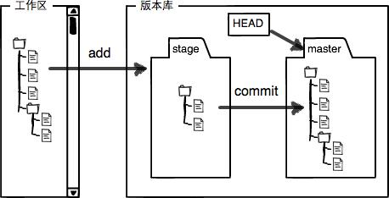

 | 第一步是用git add把文件添加进去，实际上就是把文件修改添加到暂存区；
 | 第二步是用git commit提交更改，实际上就是把暂存区的所有内容提交到当前分支。
 | 因为我们创建Git版本库时，Git自动为我们创建了唯一一个master分支，所以，现在，git commit就是往master分支上提交更改。
 | 你可以简单理解为，需要提交的文件修改通通放到暂存区，然后，一次性提交暂存区的所有修改。
22 | $ vim readme.txt
 | $ touch LICENSE
 | $ vim LICENSE
 | $ git status
 | On branch master
 | Changes not staged for commit:
 | (use "git add <file>..." to update what will be committed)
 | (use "git restore <file>..." to discard changes in working directory)
 | modified: readme.txt

 | Untracked files:
 | (use "git add <file>..." to include in what will be committed)
 | LICENSE

 | no changes added to commit (use "git add" and/or "git commit -a")
23 | $ git add readme.txt LICENSE
24 | $ git status
 | On branch master
 | Changes to be committed:
 | (use "git restore --staged <file>..." to unstage)
 | new file: LICENSE
 | modified: readme.txt
25 | 现在的暂存区变成
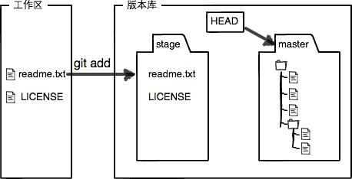

 | 所以，git add命令实际上就是把要提交的所有修改放到暂存区（Stage），然后，执行git commit就可以一次性把暂存区的所有修改提交到分支。
26 | $ git commit -m "understand how stage works"
 | [master 73491b5] understand how stage works
 | 2 files changed, 2 insertions(+)
 | create mode 100644 LICENSE
27 | 得到干净的工作区
 | $ git status
 | On branch master
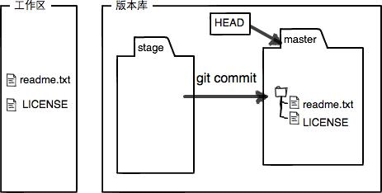
 | nothing to commit, working tree clean

Manage Modification
28 | 为什么Git比其他版本控制系统设计得优秀，因为Git跟踪并管理的是修改，而非文件。
 | 什么是修改？比如你新增了一行，这就是一个修改，删除了一行，也是一个修改，更改了某些字符，也是一个修改， 删了一些又加了一些，也是一个修改，甚至创建一个新文件，也算一个修改
 | 为什么说Git管理的是修改，而不是文件呢？我们还是做实验。第一步，对readme.txt做一个修改，比如加一行内容：
29 | $ vim readme.txt
 | // 加 Git tracks changes.

 | $ git add readme.txt

 | $ git status
 | On branch master
 | Changes to be committed:
 | (use "git restore --staged <file>..." to unstage)
 | modified: readme.txt

 | $ vim readme.txt
 | // 改 Git tracks changes of files.

 | $ git commit -m "git tracks changes"
 | [master 4909c25] git tracks changes
 | 1 file changed, 1 insertion(+)

 | $ git status
 | On branch master
 | Changes not staged for commit:
 | (use "git add <file>..." to update what will be committed)
 | (use "git restore <file>..." to discard changes in working directory)
 | modified: readme.txt

 | no changes added to commit (use "git add" and/or "git commit -a")

 | 第二次修改为什么没被提交
 | 回顾过程：第一次修改 -> git add -> 第二次修改 -> git commit

 | 当你用git add命令后，在工作区的第一次修改被放入暂存区，准备提交， 但是，在工作区的第二次修改并没有放入暂存区， 所以，git commit只负责把暂存区的修改提交了，也就是第一次的修改被提交了，第二次的修改不会被提交。
 | 提交后，用git diff HEAD -- readme.txt命令可以查看工作区和版本库里面最新版本的区别：
 | $ git diff HEAD -- readme.txt
 | diff --git a/readme.txt b/readme.txt
 | index 76d770f..d021562 100644
 | --- a/readme.txt
 | +++ b/readme.txt
 | @@ -1,4 +1,5 @@
 | Git is a distributed version control system.
 | Git is free software distributed under the GPL.
 | Git has a mutable index called stage.
 | -Git tracks changes.
 | +Git tracks changes of files.

 | 再次 git add, git commit 就好

Discard Modification
30 | 添加
 | My stupid boss still prefers SVN.
31 | $ git status
 | On branch master
 | Changes not staged for commit:
 | (use "git add <file>..." to update what will be committed)
 | (use "git restore <file>..." to discard changes in working directory)
 | modified: readme.txt

 | no changes added to commit (use "git add" and/or "git commit -a")

 | $ git restore readme.txt | git restore |  | git checkout -- <file>
 |  | git restore 是新版本的修订后的用法
 | 告诉我们 git checkout -- <file>, 把readme.txt文件在工作区的修改全部撤销
 | 一种是readme.txt自修改后还没有被放到暂存区，现在，撤销修改就回到和版本库一模一样的状态；
 | 一种是readme.txt已经添加到暂存区后，又作了修改，现在，撤销修改就回到添加到暂存区后的状态。
 | 总之，就是让这个文件回到最近一次git commit或git add时的状态。
 | git checkout -- file命令中的--很重要，没有--，就变成了“切换到另一个分支”的命令，我们在后面的分支管理中会再次遇到git checkout命令。

32 | 写了一些胡话，还git add到暂存区了
 | $ git status
 | On branch master
 | Changes to be committed:
 | (use "git restore --staged <file>..." to unstage)
 | modified: readme.txt

 | $ git restore --staged readme.txt | git restore --staged <file> | 撤销add以后的文件到add之前

 | $ git status
 | On branch master
 | Changes not staged for commit:
 | (use "git add <file>..." to update what will be committed)
 | (use "git restore <file>..." to discard changes in working directory)
 | modified: readme.txt

 | no changes added to commit (use "git add" and/or "git commit -a")

 | 再 git restore 就恢复到修改之前的状态了

33 | 撤销删除
 | $ touch test.txt
 | $ vim test.txt
 | $ git add test.txt
 | $ git commit -m "add test.txt"
 | $ rm test.txt | git rm <file>
 | $ git status
 | On branch master
 | Changes not staged for commit:
 | (use "git add/rm <file>..." to update what will be committed)
 | (use "git restore <file>..." to discard changes in working directory)
 | deleted: test.txt

 | no changes added to commit (use "git add" and/or "git commit -a")
 | // situation 1: 确实想删除
 | $ git commit
 | On branch master
 | Changes not staged for commit:
 | (use "git add/rm <file>..." to update what will be committed)
 | (use "git restore <file>..." to discard changes in working directory)
 | deleted: test.txt

 | no changes added to commit (use "git add" and/or "git commit -a") |  |  |  | 截止到目前，只有一条时间线，在Git里，这个分支叫主分支，即master分支
 | // situation 2: 误删除，想恢复 |  |  |  | HEAD严格来说不是指向提交，而是指向master，master才是指向提交的，所以，HEAD指向的就是当前分支
 | $ git restore -- test.txt |  |  |  | 一开始的时候，master分支是一条线，Git用master指向最新的提交，再用HEAD指向master，就能确定当前分支，以及当前分支的提交点：
 | // test.txt file 将恢复回来
 | 另一种情况是删错了，因为版本库里还有呢，所以可以很轻松地把误删的文件恢复到最新版本：
 | git checkout -- test.txt
 | git checkout其实是用版本库里的版本替换工作区的版本， 无论工作区是修改还是删除，都可以“一键还原”。
Branch Management
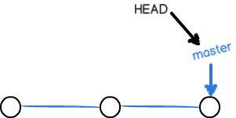
Create and Merge Branch |  |  |  |  | 一开始的时候，master分支是一条线，Git用master指向最新的提交，再用HEAD指向master，就能确定当前分支，以及当前分支的提交点
34 | 我们创建dev分支，然后切换到dev分支 | git checkout -b dev
 | $ git checkout -b dev |  |  |  | 每次提交，master分支都会向前移动一步，这样，随着你不断提交，master分支的线也越来越长。
 | Switched to a new branch 'dev'
 | git checkout + -b
 | 相当于
 | $ git branch dev
 | $ git checkout dev or git switch dev
 | Switched to branch 'dev'
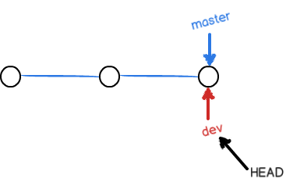
35 | $ git branch | git branch
 | * dev
 | master |  |  |  |  | 当我们创建新的分支，例如dev时，Git新建了一个指针叫dev，指向master相同的提交，再把HEAD指向dev，就表示当前分支在dev上：
36 | 改 readme.txt
 | $ git add readme.txt |  |  |  |  | 你看，Git创建一个分支很快，因为除了增加一个dev指针，改改HEAD的指向，工作区的文件都没有任何变化！
 | $ git commit -m "branch test"
 | [dev b17d20e] branch test |  |  |  |  | 不过，从现在开始，对工作区的修改和提交就是针对dev分支了，比如新提交一次后，dev指针往前移动一步，而master指针不变：
 | 1 file changed, 1 insertion(+)
 | 1 file changed, 1 insertion(+)
37 | dev分支的工作完成，我们就可以切换回master分支 | git checkout master
 | $ git checkout master git switch master
 | Switched to branch 'master'
38 | 切换回master分支后，再查看一个readme.txt文件，刚才添加的内容不见了！ 因为那个提交是在dev分支上，而master分支此刻的提交点并没有变
 | 我们把dev分支的工作成果合并到master分支上：
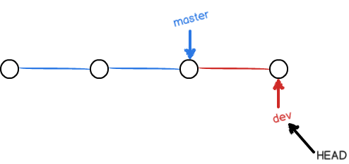
 | $ git merge dev | git merge dev
 | Updating d46f35e..b17d20e
 | Fast-forward
 | readme.txt | 1 + |  |  |  |  |  | 假如我们在dev上的工作完成了，就可以把dev合并到master上。Git怎么合并呢？最简单的方法，就是直接把master指向dev的当前提交，就完成了合并：
 | 1 file changed, 1 insertion(+)
 | git merge命令用于合并指定分支到当前分支
 | 合并后，再查看readme.txt的内容，就可以看到，和dev分支的最新提交是完全一样的
39 | 注意到上面的Fast-forward信息，Git告诉我们，这次合并是“快进模式”，也就是直接把master指向dev的当前提交，所以合并速度非常快。
 | 当然，也不是每次合并都能Fast-forward，我们后面会讲其他方式的合并。
40 | 合并完成后，就可以放心地删除dev分支了：
 | $ git branch -d dev | git branch -d dev
 | Deleted branch dev (was b17d20e).

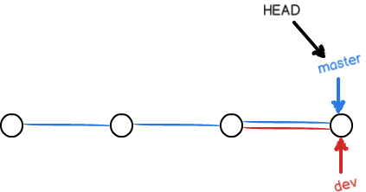
 | switch (新版本修订，更易理解)
 | 切换分支
 | git switch -c dev |  |  |  |  |  | 所以Git合并分支也很快！就改改指针，工作区内容也不变！
 | git switch master
Resolve the Conflict
41 | $ git switch -c feature1
 | Switched to a new branch 'feature1'
42 | 修改
 | Creating a new branch is quick AND simple.
43 | $ git add readme.txt

 | $ git commit -m "AND simple"
 | [feature1 14096d0] AND simple
 | 1 file changed, 1 insertion(+), 1 deletion(-)
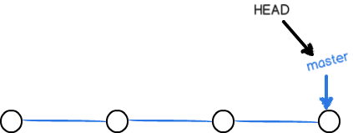
44 | $ git switch master |  |  |  |  | 合并完分支后，甚至可以删除dev分支。删除dev分支就是把dev指针给删掉，删掉后，我们就剩下了一条master分支：
 | Switched to branch 'master'
 | Your branch is ahead of 'origin/master' by 1 commit.
 | (use "git push" to publish your local commits)
45 | 在master 分支上修改
 | Creating a new branch is quick & simple.
46 | $ git add readme.txt
 | $ git commit -m "& simple"
 | [master 5dc6824] & simple
 | 1 file changed, 1 insertion(+), 1 deletion(-)
 | Now
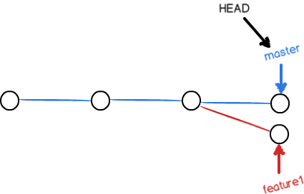

47 | 这种情况下，Git无法执行“快速合并”， 只能试图把各自的修改合并起来，但这种合并就可能会有冲突，我们试试看：
 | $ git merge feature1 | git merge feature2 | +conflict
 | Auto-merging readme.txt
 | CONFLICT (content): Merge conflict in readme.txt
 | Automatic merge failed; fix conflicts and then commit the result.

 | readme.txt文件存在冲突，必须手动解决冲突后再提交
 | git status也可以告诉我们冲突的文件
 | $ git status
 | On branch master
 | Your branch is ahead of 'origin/master' by 2 commits.
 | (use "git push" to publish your local commits)

 | You have unmerged paths.
 | (fix conflicts and run "git commit")
 | (use "git merge --abort" to abort the merge)

 | Unmerged paths:
 | (use "git add <file>..." to mark resolution)
 | both modified: readme.txt

 | no changes added to commit (use "git add" and/or "git commit -a")

 | 我们可以直接查看readme.txt的内容：
 | Git is a distributed version control system.
 | Git is free software distributed under the GPL.
 | Git has a mutable index called stage.
 | Git tracks changes of files.
 | <<<<<<< HEAD
 | Creating a new branch is quick & simple.
 | =======
 | Creating a new branch is quick AND simple.
 | >>>>>>> feature1

48 | Git用<<<<<<<，=======，>>>>>>>标记出不同分支的内容，我们修改如下后保存： | 手动修改
 | Creating a new branch is quick and simple.
49 | $ git add readme.txt | 再次add
 | $ git commit -m "conflict fixed" | commit
 | [master cf810e4] conflict fixed
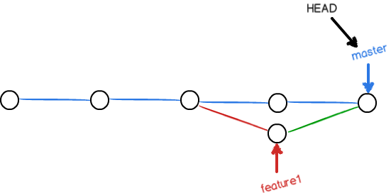

50 | git log --graph --pretty=oneline --abbrev-commit | git log --graph --pretty=oneline --abbrev-commit
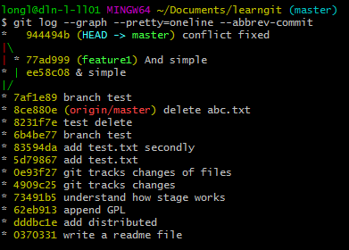

51 | 删除分支
 | $ git branch -d feature1
 | Deleted branch feature1 (was 14096d0).

Strategy of Branch Management
 | 通常，合并分支时，如果可能，Git会用Fast forward模式，但这种模式下，删除分支后，会丢掉分支信息。
 | 如果要强制禁用Fast forward模式，Git就会在merge时生成一个新的commit， 这样，从分支历史上就可以看出分支信息。
52 | 下面我们实战一下--no-ff方式的git merge：
 | git switch -c dev
 | 修改readme.txt
 | git add readme.txt
 | git commit -m "add merge"
 | git switch master
53 | 准备合并dev分支
 | $ git merge --no-ff -m "merge with no-ff" dev | $ git merge --no-ff -m "comment" dev
 | 因为本次合并要创建一个新的commit，所以加上-m参数，把commit描述写进去。
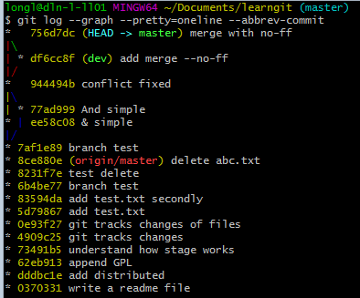

 | 可以看到，不使用Fast forward模式，merge后就像这样： | 而不是
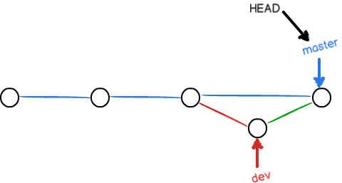

 | Branch Strategy
 | 在实际开发中，我们应该按照几个基本原则进行分支管理：
 | 首先，master分支应该是非常稳定的，也就是仅用来发布新版本，平时不能在上面干活；
 | 那在哪干活呢？干活都在dev分支上，也就是说，dev分支是不稳定的，到某个时候，比如1.0版本发布时，再把dev分支合并到master上，在master分支发布1.0版本；

 | 你和你的小伙伴们每个人都在dev分支上干活，每个人都有自己的分支，时不时地往dev分支上合并就可以了。
 | 所以，团队合作的分支看起来就像这样：

Bug Branch | 理解未执行
 | 每个bug都可以通过一个新的临时分支来修复，修复后，合并分支，然后将临时分支删除
 | 当你接到一个修复一个代号101的bug的任务时，很自然地，你想创建一个分支issue-101来修复它， 但是，等等，当前正在dev上进行的工作还没有提交：
 | $ git status
 | On branch dev
 | Changes to be committed:
 | (use "git reset HEAD <file>..." to unstage)

 | new file: hello.py

 | Changes not staged for commit:
 | (use "git add <file>..." to update what will be committed)
 | (use "git checkout -- <file>..." to discard changes in working directory)

 | modified: readme.txt

 | 并不是你不想提交，而是工作只进行到一半，还没法提交，预计完成还需1天时间。 但是，必须在两个小时内修复该bug，怎么办？

 | 幸好，Git还提供了一个stash功能，可以把当前工作现场“储藏”起来， 等以后恢复现场后继续工作： | git stash
 | $ git stash
 | Saved working directory and index state WIP on dev: f52c633 add merge

 | 现在，用git status查看工作区，就是干净的（除非有没有被Git管理的文件），因此可以放心地创建分支来修复bug。

 | 首先确定要在哪个分支上修复bug，假定需要在master分支上修复，就从master创建临时分支：

 | $ git checkout master | git checkout master
 | Switched to branch 'master'
 | Your branch is ahead of 'origin/master' by 6 commits.
 | (use "git push" to publish your local commits)

 | $ git checkout -b issue-101 | git checkout -b issue-101
 | Switched to a new branch 'issue-101'

 | 现在修复bug，需要把“Git is free software ...”改为“Git is a free software ...”，然后提交：
 | $ git add readme.txt
 | $ git commit -m "fix bug 101"
 | [issue-101 4c805e2] fix bug 101
 | 1 file changed, 1 insertion(+), 1 deletion(-)

 | 修复完成后，切换到master分支，并完成合并，最后删除issue-101分支：

 | $ git switch master
 | Switched to branch 'master'
 | Your branch is ahead of 'origin/master' by 6 commits.
 | (use "git push" to publish your local commits)

 | $ git merge --no-ff -m "merged bug fix 101" issue-101
 | Merge made by the 'recursive' strategy.
 | readme.txt | 2 +-
 | 1 file changed, 1 insertion(+), 1 deletion(-)

 | 太棒了，原计划两个小时的bug修复只花了5分钟！现在，是时候接着回到dev分支干活了！

 | $ git switch dev
 | Switched to branch 'dev'

 | $ git status
 | On branch dev
 | nothing to commit, working tree clean

 | 工作区是干净的，刚才的工作现场存到哪去了？用git stash list命令看看：

 | $ git stash list | git stash list
 | stash@{0}: WIP on dev: f52c633 add merge

 | 工作现场还在，Git把stash内容存在某个地方了，但是需要恢复一下，有两个办法：
 | 一是用git stash apply恢复，但是恢复后，stash内容并不删除，你需要用git stash drop来删除； | git stash apply | + git stash drop | 才能删除stash
 | 另一种方式是用git stash pop，恢复的同时把stash内容也删了：

 | $ git stash pop | git stash pop |  | 在恢复的同时，直接删除stash
 | On branch dev
 | Changes to be committed:
 | (use "git reset HEAD <file>..." to unstage)

 | new file: hello.py

 | Changes not staged for commit:
 | (use "git add <file>..." to update what will be committed)
 | (use "git checkout -- <file>..." to discard changes in working directory)

 | modified: readme.txt

 | Dropped refs/stash@{0} (5d677e2ee266f39ea296182fb2354265b91b3b2a)
 |  | $ git stash list
 | 再用git stash list查看，就看不到任何stash内容了： | stash@{0}: WIP on dev: df6cc8f add merge --no-ff
 |  | stash@{1}: WIP on dev: df6cc8f add merge --no-ff
 | $ git stash list

 | 你可以多次stash，恢复的时候，先用git stash list查看，然后恢复指定的stash，用命令： | git stash apply stash@{1} | 最新的stash 总在最上 | 如果要删除罗列的stash, 连续git stash drop ， 会从下往上delete
 | $ git stash apply stash@{0}

 | 在master分支上修复了bug后，我们要想一想，dev分支是早期从master分支分出来的，所以，这个bug其实在当前dev分支上也存在。
 | 那怎么在dev分支上修复同样的bug？重复操作一次，提交不就行了？

 | 同样的bug，要在dev上修复，我们只需要把4c805e2 fix bug 101这个提交所做的修改“复制”到dev分支。注意：我们只想复制4c805e2 fix bug 101这个提交所做的修改，并不是把整个master分支merge过来。
 | 为了方便操作，Git专门提供了一个cherry-pick命令，让我们能复制一个特定的提交到当前分支：

 | $ git branch
 | * dev
 | master
 | $ git cherry-pick 4c805e2 | git cherry-pick fixNumber
 | [master 1d4b803] fix bug 101
 | 1 file changed, 1 insertion(+), 1 deletion(-)

 | Git自动给dev分支做了一次提交，注意这次提交的commit是1d4b803，它并不同于master的4c805e2，因为这两个commit只是改动相同，但确实是两个不同的commit。用git cherry-pick，我们就不需要在dev分支上手动再把修bug的过程重复一遍。
 | 有些聪明的童鞋会想了，既然可以在master分支上修复bug后，在dev分支上可以“重放”这个修复过程，那么直接在dev分支上修复bug，然后在master分支上“重放”行不行？当然可以，不过你仍然需要git stash命令保存现场，才能从dev分支切换到master分支。

Feature Branch
Multiple Coorperation
Rebase

Tag Management
Create Tag
Operate Tag

node.js | NPM
1 | 目标一、了解什么是Node.js,为什么要使用Node.JS
 | 目标二、学会安装与配置Node.JS
 | 目标三、初体验如何编写并运行Node.JS应用
 | 目标四、了解Node模块及NPM包的使用
 | Installation | https://nodejs.org/en/ | webstrom 11 just support node.js v6.x at setting|…|Node.js and NPM
 |  | donwload the .msi file | node.js v14.x just support win8 and WinServer 2012 or higher
 |  | C:\Users\Administrator>node -v
 |  | v6.17.1

 |  | C:\Users\Administrator>node
 |  | > .help
 |  | .break Sometimes you get stuck, this gets you out
 |  | .clear Alias for .break
 |  | .editor Enter editor mode
 |  | .exit Exit the repl
 |  | .help Print this help message
 |  | .load Load JS from a file into the REPL session
 |  | .save Save all evaluated commands in this REPL session to a file
 |  | > console.log("hello nodejs")
 |  | hello nodejs
 |  | undefined
 |  | >
 | config in Webstorm | Settings|…|Node.js and NPM| enable
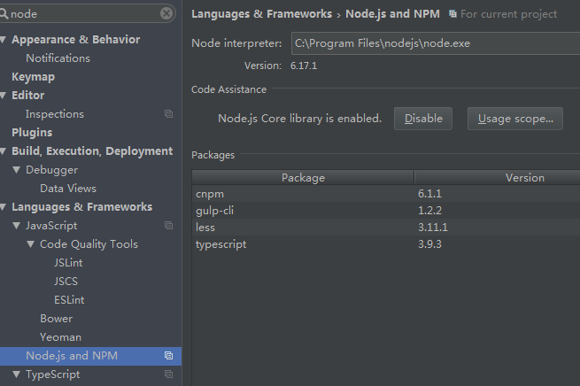
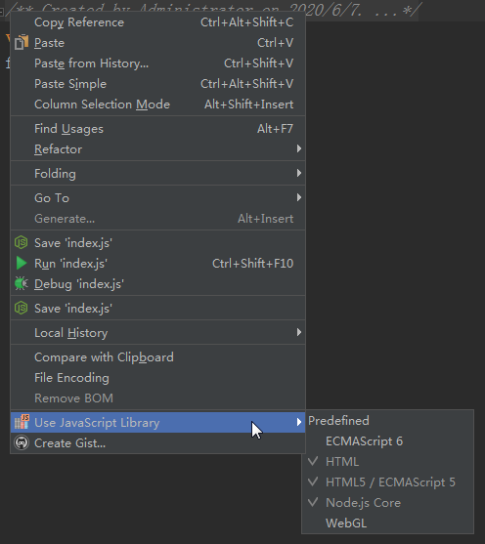

 |  | Right-click readFile
 |  | Jump to fs.js file

 | Example1 | demo1.js
 |  | var txt = "hello NodeJS";
 |  | console.log(txt);

 |  | C:\Users\Administrator\WebstormProjects\untitled13>node demo1.js
 |  | hello NodeJS
 | Example2 | Content.txt
 |  | Welcome Nodejs!
 |  | demo2.js
 |  | //加载NodeJS中的fs包
 |  | var fs = require('fs');
 |  | //异步读取文件
 |  | fs.readFile("content.txt", function(err,data){
 |  | if (err) throw err;
 |  | console.log(data);
 |  | });
 |  | C:\Users\Administrator\WebstormProjects\untitled13>node demo2.js | 说明文件内容正常读取了！
 |  | <Buffer 57 65 6c 63 6f 6d 65 20 4e 6f 64 65 6a 73 21>
2 | 目标一、了解什么是NodeJS的模块化
 | 目标二、如何对NodeJS应用模块化
 | 目标三、NPM包及应用
 | Module and NPM
 | Example1 | mymodule.js
 |  | exports.hello_world = function(){
 |  | console.log("Hello World");
 |  | };
 |  | main.js
 |  | var mm = require('./mymodule.js');
 |  | mm.hello_world();

 |  | C:\Users\Administrator\WebstormProjects\untitled13>node main.js | 模块加载并调用成功
 |  | Hello World
 | Example2 | 当我们频繁的从模块中返回对象时，我们会有两种使用的核心模式
 |  | 工厂模式
 |  | student.js
 |  | var Student = function(){
 |  | this.name = "lishi";
 |  | this.age = "20";
 |  | this.sex = "boy";
 |  | this.showInfo = function(){
 |  | console.log("name: " + this.name + ", age=" + this.age + ", sex=" + this.sex);
 |  | };
 |  | };

 |  | exports.createStudent = function(){
 |  | return new Student();
 |  | };
 |  | callStudent.js
 |  | var mm1 = require("./student");
 |  | var student = mm1.createStudent();
 |  | student.showInfo();
 |  | C:\Users\Administrator\WebstormProjects\untitled13>node callStudent.js
 |  | name: lishi, age=20, sex=boy
 |  | 构造函数模式，即直接模式
 |  | teacher.js
 |  | var teacher = function(){
 |  | this.name = "wang";
 |  | this.age = "28";
 |  | this.sex = "girl";
 |  | this.showInfoGril = function(){
 |  | console.log("Name: " + this.name + ", Age= " + this.age + ", Sex=" + this.sex)
 |  | }
 |  | };
 |  | module.exports = teacher;
 |  | callTeacher.js
 |  | var Teacher = require("./Teacher");
 |  | var teacher = new Teacher;
 |  | teacher.showInfoGril();

 |  | C:\Users\Administrator\WebstormProjects\untitled13>node callTeacher.js
 |  | Name: wang, Age= 28, Sex=girl
 | 加载目录模块 使用目录的路径来加载模块 |  | Node会假定这个目录是个模块包，并尝试在这个目录下搜索包定义文件package.json。如果没找到，Node会假设包的入口点是index.js文件（除了index.js还会查找index.node，.node文件是Node的二进制扩展包，具体见官方文档），以上面代码为例，Node会尝试查找./myModuleDir/index.js文件。
 |  | 必须是 index.js

 |  | index.js
 |  | exports.TestDir = function(){
 |  | console.log("dir module");
 |  | };
 |  | test01.js
 |  | var mm = require("./MyPackage"）
 |  | mm.TestDir();

 |  | C:\Users\Administrator\WebstormProjects\untitled13\moduleTest>node test01.js
 |  | dir module
 |  | 如果文件名不是index.js, 比如indexTest.js, 则会报错
 |  | C:\Users\Administrator\WebstormProjects\untitled13\moduleTest>node test01.js
 |  | module.js:478
 |  | throw err;
 |  | ^

 |  | Error: Cannot find module './MyPackage'
 |  | at Function.Module._resolveFilename (module.js:476:15)
 |  | at Function.Module._load (module.js:424:25)
 |  | at Module.require (module.js:504:17)
 |  | at require (internal/module.js:20:19)
 |  | at Object.<anonymous> (C:\Users\Administrator\WebstormProjects\untitled13\mo
 |  | duleTest\test01.js:4:10)
 |  | at Module._compile (module.js:577:32)
 |  | at Object.Module._extensions..js (module.js:586:10)
 |  | at Module.load (module.js:494:32)
 |  | at tryModuleLoad (module.js:453:12)
 |  | at Function.Module._load (module.js:445:3)

 |  | Resolved
 |  | 在 indexTest.js 同级目录下创建 package.json
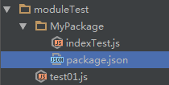

 |  | package.json
 |  | {
 |  | "name": "MyPackage",
 |  | "main": "./indexTest.js"
 |  | }
 |  | Node就会尝试加载 ./Mypackage/indexTest.js 文件
 | 从 node_mudule 目录加载 | 如果require函数的参数不是相对路径，也不是核心模块名，Node会在当前目录的node_modules子目录下查找， 比如下面的代码，Node会尝试查找文件./node_modules/myModule.js
 |  | var myModule = require('myModule.js');
 |  | 如果没找到，Node会继续在上级目录的node_modules文件夹下查找，如果还没找到就继续向上层目录查找，直到找到对应的模块或者到达根目录。
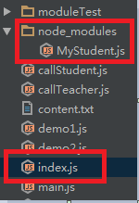

 |  | MyStudent.js
 |  | exports.TestModule = function(){
 |  | console.log("hello, node_modules");
 |  | };
 |  | index.js
 |  | var mm = require('MyStudent');
 |  | mm.TestModule();

 |  | C:\Users\Administrator\WebstormProjects\untitled13>node index.js
 |  | hello, node_modules
 | 缓存模块 | 模块在第一次成功加载后会被缓存起来，就是说，如果模块名被解析到同一个文件路径，那么每次调用require(‘myModule')都确切地会返回同一个模块。
 |  | my_module.js
 |  | console.log('module my_module initilaizing...');
 |  | module.exports = function (){
 |  | console.log("HI");
 |  | };
 |  | console.log("my_module initialized");
 |  | index.js
 |  | var myModuleInstance1 = require('./my_module.js');
 |  | // Run 第一次
 |  | C:\Users\Administrator\WebstormProjects\untitled13>node index.js
 |  | module my_module initilaizing...
 |  | my_module initialized
 |  | // Run 第二次
 |  | C:\Users\Administrator\WebstormProjects\untitled13>node index.js
 |  | module my_module initilaizing...
 |  | my_module initialized
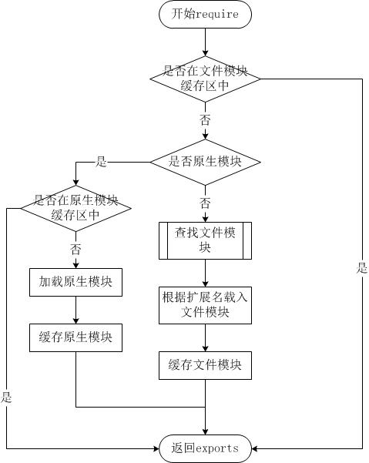
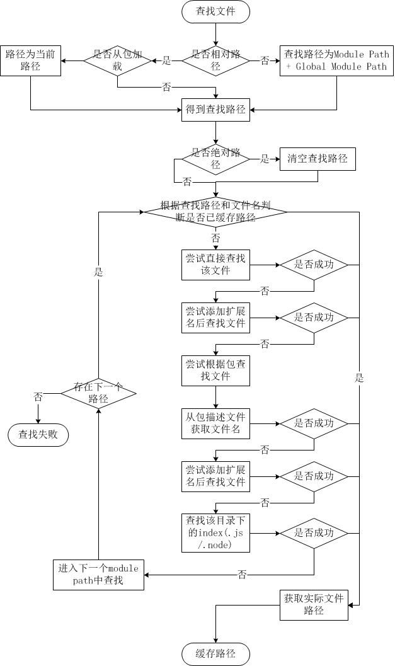
 |  | 模块的初始化代码仅执行了一次。 当你构建自己的模块时，如果模块的初始化代码里含有可能产生副作用的代码，一定要特别注意这个特性。
 | 扩展01 - require方法中的文件查找策略 | 由于Node.js中存在4类模块（原生模块和3种文件模块），尽管require方法极其简单，但是内部的加载却是十分复杂的，其加载优先级也各自不同。

 |  | 如果require绝对路径的文件，查找时不会去遍历每一个node_modules目录，其速度最快

 |  | 其余流程如下：
 |  | 1. 从module path数组中取出第一个目录作为查找基准。
 |  | 2. 直接从目录中查找该文件，如果存在，则结束查找。如果不存在，则进行下一条查找。
 |  | 3. 尝试添加.js、.json、.node后缀后查找，如果存在文件，则结束查找。如果不存在，则进行下一条。
 |  | 4. 尝试将require的参数作为一个包来进行查找，读取目录下的package.json文件，取得main参数指定的文件。
 |  | 尝试查找该文件，如果存在，则结束查找。如果不存在，则进行第3条查找。
 |  | 5. 如果继续失败，则取出module path数组中的下一个目录作为基准查找，循环第1至5个步骤。
 |  | 6. 如果继续失败，循环第1至6个步骤，直到module path中的最后一个值。
 |  | 7. 如果仍然失败，则抛出异常。

 |  | 整个查找过程十分类似原型链的查找和作用域的查找。所幸Node.js对路径查找实现了缓存机制，否则由于每次判断路径都是同步阻塞式进行，会导致严重的性能消耗。

 |  | 附：什么是Module path？
 |  | 被加载的文件模块，创建这个模块对象的时候，这个模块便会有一个paths属性，其值根据当前文件的路径计算得到。 我们创建modulepath.js这样一个文件，其内容为：
 |  | console.log(module.paths);
 |  | 我们将其放到任意一个目录中执行node modulepath.js命令，将得到以下的输出结果。
 |  | [ '/home/jackson/research/node_modules',
 |  | '/home/jackson/node_modules',
 |  | '/home/node_modules',
 |  | '/node_modules' ]
 |  | 可以看出module path的生成规则为：从当前文件目录开始查找node_modules目录；然后依次进入父目录，查找父目录下的node_modules目录；依次迭代，直到根目录下的node_modules目录。
 |  | 除此之外还有一个全局module path，是当前node执行文件的相对目录（../../lib/node）。 如果在环境变量中设置了HOME目录和NODE_PATH目录的话，整个路径还包含NODE_PATH和HOME目录下的.node_libraries与.node_modules。 其最终值大致如下：
 |  | [NODE_PATH，HOME/.node_modules，HOME/.node_libraries，execPath/../../lib/node]

 | 扩展02 - module.exports与exports的区别 | exports 和 module.exports 的区别
 |  | https://cnodejs.org/topic/5231a630101e574521e45ef8

 |  | var a = {name: 1};
 |  | var b = a;

 |  | console.log(a); //{ name: 1 } | a 是一个对象，b 是对 a 的引用，即 a 和 b 指向同一个对象，即 a 和 b 指向同一块内存地址，所以前两个输出一样。
 |  | console.log(b); //{ name: 1 }

 |  | b.name = 2;
 |  | console.log(a); //{ name: 2 } | 当对 b 作修改时，即 a 和 b 指向同一块内存地址的内容发生了改变，所以 a 也会体现出来，所以第三四个输出一样。
 |  | console.log(b); //{ name: 2 }

 |  | var b = {name: 3};
 |  | console.log(a); //{ name: 2 } | 当对 b 完全覆盖时，b 就指向了一块新的内存地址（并没有对原先的内存块作修改），a 还是指向原来的内存块，即 a 和 b 不再指向同一块内存，也就是说此时 a 和 b 已毫无关系，所以最后两个输出不一样
 |  | console.log(b); //{ name: 3 }

 |  | 明白了上述例子后，我们进入正题。 我们只需知道三点即可知道 exports 和 module.exports 的区别了：
 |  | 1. exports 是指向的 module.exports 的引用
 |  | 2. module.exports 初始值为一个空对象 {}，所以 exports 初始值也是 {}
 |  | 3. require() 返回的是 module.exports 而不是 exports

 |  | var name = 'zhang';
 |  | exports.name = name;
 |  | exports.sayName = function ( ) {
 |  | console.log(name);
 |  | };
 |  | 给 exports 赋值其实是给 module.exports 这个空对象添加了两个属性而已，上面的代码相当于
 |  | var name = 'zhang';
 |  | module.exports.name = name;
 |  | module.exports.sayName = function() {
 |  | console.log(name);
 |  | };

 |  | 我们通常这样使用 exports 和 module.exports
 |  | app.js | circle.js | reslt
 |  | //use exports | //use exports | 50.265482457
 |  | var circle = require('./circle'); | exports.area = function(r){
 |  | console.log(circle.area(4)); | return r * r * Math.PI;
 |  |  | };
 |  |  | area.js
 |  |  | //use module.exports | 50.265482457
 |  | //use module.exports | module.exports = function(r){
 |  | var area = require('./area'); | return r * r * Math.PI;
 |  | console.log(area(4)); | };
 |  |  | //但是如果和 circle.js 一同被调用，会报错 | 因为前面的例子中通过给 exports 添加属性，只是对 exports 指向的内存做了修改
 |  |  | exports = function(r){ | 若不加module, 是对 exports 进行了覆盖，也就是说 exports 指向了一块新的内存（内容为一个计算圆面积的函数），也就是说 exports 和 module.exports 不再指向同一块内存，也就是说此时 exports 和 module.exports 毫无联系，也就是说 module.exports 指向的那块内存并没有做任何改变，仍然为一个空对象 {} ，也就是说 area.js 导出了一个空对象，所以我们在 app.js 中调用 area(4) 会报 TypeError: object is not a function 的错误
 |  |  | return r * r * Math.PI;
 |  |  | };

 |  | 当我们想让模块导出的是一个对象时， exports 和 module.exports 均可使用（但 exports 也不能重新覆盖为一个新的对象）， 而当我们想导出非对象接口时，就必须也只能覆盖 module.exports

 |  | exports = module.exports = somethings;
 |  | 等价于 | module.exports = somethings 是对 module.exports 进行了覆盖，此时 module.exports 和 exports 的关系断裂，module.exports 指向了新的内存块，而 exports 还是指向原来的内存块，为了让 module.exports 和 exports 还是指向同一块内存或者说指向同一个 “对象”，所以我们就 exports = module.exports
 |  | module.exports = somethings;
 |  | exports = module.exports;
 | NPM
 | Install and Upgrade | 随同NodeJS一起安装的包管理工具，能解决NodeJS代码部署上的很多问题
 |  | Ø 允许用户从NPM服务器下载别人编写的第三方包到本地使用。。
 |  | Ø 允许用户从NPM服务器下载并安装别人编写的命令行程序到本地使用。
 |  | Ø 允许用户将自己编写的包或命令行程序上传到NPM服务器供别人使用。
 |  | C:\Users\Administrator\WebstormProjects\untitled13>npm -v
 |  | 3.10.10

 |  | 升级
 |  | npm install npm -g
 | 安装模块 | npm install express | 本地安装
 |  | 安装好之后，express 包就放在了工程目录下的 node_modules 目录中，因此在代码中只需要通过 require('express') 的方式就好，无需指定第三方包路径。
 |  | 1. 将安装包放在 ./node_modules 下（运行 npm 命令时所在的目录），如果没有 node_modules 目录，会在当前执行 npm 命令的目录下生成 node_modules 目录。
 |  | 2. 可以通过 require() 来引入本地安装的包。

 |  | npm install express -g | 全局安装
 |  | 1. 安装包放在Linux中会放在： /usr/local 下，windows中会放到： "C:\Users\xxx\AppData\Roaming\npm" 下
 |  | 2. 可以直接在命令行里使用。

 |  | 如果你希望具备两者功能，则需要在两个地方安装它或使用 npm link。

 |  | npm ls -g
 |  | 查看所有全局安装的模块
 | 卸载模块 | $ npm uninstall express
 |  | $ npm uninstall express -g
 | 更新模块 | $ npm update express
 | 搜索模块 | npm search express
 | 常用命令 | npm help <command>
 |  | 在package.json所在目录下使用npm install . -g可先在本地安装当前命令行程序，可用于发布前的本地测试
 |  | 使用npm update <package>可以把当前目录下node_modules子目录里边的对应模块更新至最新版本
 |  | 使用npm cache clear可以清空NPM本地缓存，用于对付使用相同版本号发布新版本代码的人。
 |  | 使用npm unpublish <package>@<version>可以撤销发布自己发布过的某个版本代码
 | 扩展01 – 使用NPM淘宝镜像 | http://npm.taobao.org/
 |  | 你可以使用我们定制的 cnpm (gzip 压缩支持) 命令行工具代替默认的 npm:
 |  | $ npm install -g cnpm --registry=https://registry.npm.taobao.org
 |  | 安装成功之后，以后就可以用cnpm命令代替npm命令去安装全局包了！
 |  | 如安装Express，可以如下：
 |  | cnpm install –g express
 | 扩展02 - 使用 package.json | package.json 位于模块的目录下，用于定义包的属性
 |  | Ø name - 包名。
 |  | Ø version - 包的版本号。
 |  | Ø description - 包的描述。
 |  | Ø homepage - 包的官网 url 。
 |  | Ø author - 包的作者姓名。
 |  | Ø contributors - 包的其他贡献者姓名。
 |  | Ø dependencies - 依赖包列表。如果依赖包没有安装，npm 会自动将依赖包安装在 node_module 目录下。
 |  | Ø repository - 包代码存放的地方的类型，可以是 git 或 svn，git 可在 Github 上。
 |  | Ø main - main 字段是一个模块ID，它是一个指向你程序的主要项目。就是说，如果你包的名字叫 express，然后用户安装它，然后require("express")。
 |  | Ø keywords - 关键字
 |  | C:\Users\Administrator\AppData\Roaming\npm\node_modules\express\package.json
 | 扩展03 - 如何创建并发布自己的NodeJS模块 | 使用npm打包nodejs程序包并发布到npm上
 |  | http://blog.csdn.net/wyc_cs/article/details/51568941

 |  | npm init
 |  | This utility will walk you through creating a package.json file.
 |  | It only covers the most common items, and tries to guess sensible defaults.

 |  | See `npm help json` for definitive documentation on these fields
 |  | and exactly what they do.

 |  | Use `npm install <pkg> --save` afterwards to install a package and
 |  | save it as a dependency in the package.json file.

 |  | Press ^C at any time to quit.
 |  | name: (node_modules) runoob # 模块名
 |  | version: (1.0.0)
 |  | description: Node.js 测试模块(www.runoob.com) # 描述
 |  | entry point: (index.js)
 |  | test command: make test
 |  | git repository: https://github.com/runoob/runoob.git # Github 地址
 |  | keywords:
 |  | author:
 |  | license: (ISC)
 |  | About to write to ……/node_modules/package.json: # 生成地址

 |  | {
 |  | "name": "runoob",
 |  | "version": "1.0.0",
 |  | "description": "Node.js 测试模块(www.runoob.com)",
 |  | ……
 |  | }

 |  | Is this ok? (yes) yes
 |  | 以上的信息，你需要根据你自己的情况输入。在最后输入 "yes" 后会生成 package.json 文件。
 |  | 接下来我们可以使用以下命令在 npm 资源库中注册用户（使用邮箱注册）：
 |  | $ npm adduser
 |  | Username: mcmohd
 |  | Password:
 |  | Email: (this IS public) mcmohd@gmail.com
 |  | 接下来我们就用以下命令来发布模块：
 |  | npm publish
 | 扩展04 – 如何寻找第三方模块 | Ø 知道模块名，寻找模块的文档
 |  | https://npmjs.org/package/模块名称
 |  | Ø 不知道模块名，根据关键字搜索需要的模块
 |  | https://npmjs.org/
 |  | 搜索不确定的模块
 |  | http://eirikb.github.io/nipster/
 |  | github 上搜索具体的信息和内容

 |  | Popular modules - Node.JS Modules from Google
3 | Establish Web Service based on Node
 | 目标一、什么是Web服务器
 | 目标二、掌握利用Node建立简单的Web服务器
 | 目标三、掌握利用Node建立复杂的Web服务器应用
 | Example1 | NodeJS创建web服务器之hello world程序
 |  | server.js
 |  | var http = require("http"); //引入核心HTTP模块 | PHP 等其他语言需要在类似Apache 这样的服务器中运行，而Node 和它们不同，因为Node 本身就是Web 服务器

 |  | //创建服务器 | 但这同样意味着我们需要先创建该服务器
 |  | var server = http.createServer(function(req, res){ | 调用HTTP 模块的一个工厂模式方法（createServer）来创建新的HTTP 服务器
 |  | res.writeHead(200, { | 新创建的HTTP 服务器并没有赋值给任何变量，它只会成为存活在全局范围内的匿名对象
 |  | "Content-type": 'text/html' | 当调用createServer 的时候，我们传了一个匿名函数作为参数
 |  | }); | 此函数绑定在新创建服务器的事件监听器上进行request 事件处理
 |  | res.end("hello world web server");
 |  | }); | 消息事件是JavaScript 和Node 的核心。在这个例子中，每当一个新的访问请求到达Web 服务器，它都将调用我们指定的函数方法来处理
 |  |  | 我们称这类方法为回调（callback）
 |  |  | 因为每当一个事件发生时，我们将回调监听此事件的所有函数。
 |  | /*监听IP以及端口*/
 |  | server.listen(8000, '127.0.0.1', function(){ | 通过链式调用来初始化服务器，并告诉它监听在8000 端口
 |  | console.log("服务器创建成功：127.0.0.1:8000");
 |  | });

 |  | C:\Users\Administrator\WebstormProjects\untitled13>node server.js
 |  | 服务器创建成功：127.0.0.1:8000

 |  | 浏览器访问127.0.0.1:8000

 |  | 这个示例代码首先通过require 方法把HTTP 库包含到程序中来。
 |  | HTTP 库所具有的功能已经赋给了http 对象
 |  | 下一步，我们需要一个HTTP 服务器
 | Example2 | NodeJS创建略复杂一些的应用服务器
 | 原始代码 | http.js
 |  | // http模块负责处理http请求和响应
 |  | var http = require('http');
 |  | var fs = require('fs');

 |  | // 使用该模块创建服务器
 |  | http.createServer(function(req, res){
 |  | //req是请求对象
 |  | //res是响应对象
 |  | console.log(req.url);
 |  | }).listen(3000);
 |  | console.log("Server running at http://localhost:3000/");
 |  | C:\Users\Administrator\WebstormProjects\untitled13>node http
 |  | Server running at http://localhost:3000/ | Result in Cmd
 |  | 在浏览器分别输入 | /
 |  | http://localhost:3000 | /about
 |  | http://localhost:3000/about | /home
 |  | http://localhost:3000/home | /home/index.jsp
 |  | http://localhost:3000/home/index.jsp | 说明服务器调用成功！
 | 第二次重构 | // http模块负责处理http请求和响应
 |  | var http = require('http');
 |  | var fs = require('fs');

 |  | // 重构http.createServer里的代码：
 |  | http.createServer(function(req, res){
 |  | switch (req.url){
 |  | case "/":
 |  | res.writeHead(200, {"Content-type": "text/html"});
 |  | res.end("Home");
 |  | break;
 |  | case "/about":
 |  | res.writeHead(200, {"Content-type": "text/html"});
 |  | res.end("About");
 |  | break;
 |  | default:
 |  | res.writeHead(200, {"Content-type": "text/html"});
 |  | res.end("404");
 |  | }
 |  | }).listen(3000);
 |  | console.log("Server running at http://localhost:3000/");

 |  | //http://localhost:3000 // ==> Home
 |  | //http://localhost:3000/about // ==> About
 |  | //http://localhost:3000/aaa // ==> 404
 | 第三次重构 | 第一步：在与http.js同一目录中，新建一public文件夹，下面再新建home.html文件
 |  | home.html
 |  | <h1>Home</h1>
 |  | 第二步：继续重构http.createServer代码
 |  | // http模块负责处理http请求和响应
 |  | var http = require('http');
 |  | var fs = require('fs');

 |  | // 使用该模块创建服务器
 |  | http.createServer(function(req, res){
 |  | //在任何模块文件内部，可以使用__dirname变量获取当前模块文件所在目录的完整绝对路径
 |  | //获取当前服务器所在的绝对路径
 |  | var path = __dirname + req.url;
 |  | console.log(path);
 |  | fs.readFile(path, function (err, data){
 |  | if (err) throw err;
 |  | res.writeHead(200, {"Content-type": "text/html"});
 |  | res.end(data);
 |  | });
 |  | }).listen(3000);
 |  | console.log("Server running at http://localhost:3000/");

 |  | //http://localhost:3000/public/home.html
 |  | //展现 ./public/home.html 的内容
 | 第四次重构 | 第一步：public文件夹中，再加入如下资源：about.html,logo.jpg,404.html 内容自己定义！
 |  | 第二步：创建一辅助函数serveStaticFile
 |  | // 添加帮助方法serveStaticFile
 |  | function serveStaticFile(res, path, contentType, responseCode){
 |  | if(!responseCode) responseCode = 200;
 |  | fs.readFile(__dirname + path, function (err, data) {
 |  | console.log(__dirname + path);
 |  | console.log(err);

 |  | if(err){
 |  | res.writeHead(500, {"Content-Type": "text/plain"});
 |  | res.end("500 - Internal Error");
 |  | }else {
 |  | res.writeHead(responseCode, {"Content-Type": contentType});
 |  | res.end(data);
 |  | }
 |  | })
 |  | }
 |  | 第三步：继续重构http.createServer代码
 |  | // http模块负责处理http请求和响应
 |  | var http = require('http');
 |  | var fs = require('fs');

 |  | // 使用该模块创建服务器
 |  | http.createServer(function(req, res){
 |  | switch (req.url){
 |  | case "/":
 |  | serveStaticFile(res, '/public/home.html', 'text/html');
 |  | break;
 |  | case "/about":
 |  | serveStaticFile(res, '/public/about.html', 'text/html');
 |  | break;
 |  | case "/img/logo.jpg":
 |  | serveStaticFile(res, '/public/img/logo.jpg', 'image/png');
 |  | break;
 |  | default:
 |  | serveStaticFile(res, '/public/404.html', 'text/html', 404);
 |  | }
 |  | }).listen(3000);
 |  | console.log("Server running at http://localhost:3000/");
 |  | http://localhost:3000 | home.html
 |  | http://localhost:3000/about | about.html
 |  | http://localhost:3000/img/logo.jpg | logo.jpg
 |  | http://localhost:3000/aaa | 404.html
 | 常见的Content-Type值

 |  | exports.mime = {
 |  | "html": "text/html",
 |  | "css": "text/css",
 |  | "js": "text/javascript",
 |  | "json": "application/json",
 |  | "ico": "image/x-icon",
 |  | "gif": "image/gif",
 |  | "jpeg": "image/jpeg",
 |  | "jpg": "image/jpeg",
 |  | "png": "image/png",
 |  | "pdf": "application/pdf",
 |  | "svg": "image/svg+xml",
 |  | "swf": "application/x-shockwave-flash",
 |  | "tiff": "image/tiff",
 |  | "txt": "text/plain",
 |  | "wav": "audio/x-wav",
 |  | "wma": "audio/x-ms-wma",
 |  | "wmv": "video/x-ms-wmv",
 |  | "xml": "text/xml"
 |  | }
4 未执行 | Node.js 核心模块快速上手 | 目标1、了解console、Timers、Util模块的使用
 |  | 目标2、了解Buffer、FileSystem、Path 模块的使用
 |  | 目标3、了解URL、QueryString 模块的使用
 | Console | 方法 | 描述
 |  | log | 打印日志，支持格式符号%d,%s,%j,%
 |  | info | 打印提示信息
 |  | error | 打印错误信息
 |  | warn | 打印警告信息
 |  | dir | 打印对象的方法和属性。
 |  | time | 计时器，和timeEnd成对使用，计算时间区间。
 |  | timeEnd | 计时器，和time成对使用，计算时间区间。
 |  | trace | 跟踪函数的执行过程，一般放在函数内部使用。
 |  | assert | 断言。语法：console.assert(表达式,错误信息)
 | log | 示例01、标准输出：
 |  | // console.log()用于标准输入流的输出
 |  | console.log('console');
 |  | // 输入命令：node console.js
 |  | // 输出结果：console
 |  | // 输入命令：node console.js 1 > info.log
 |  | // 输出结果：console信息输入到info.log文件中
 |  | // 1代表重定向标准输出流
 |  | // 输入命令：node console.js 2 > error.log
 |  | // 2代表重定向标准错误输出流
 |  | console.error('error');
 |  | // warn和error方法功能一样
 |  | console.warn();
 |  | 示例02、标准化格式输出：
 |  | // 依次序输出所有字符串
 |  | console.log("%s","first","second");
 |  | // 输出结果:first second
 |  | // 将对象转换为普通字符串后执行
 |  | console.log("%s","guoyansi",{name:"思思博士"});
 |  | //输出结果:guoyansi { name: '思思博士' }
 |  | // 将字符串作为数值进行转换
 |  | console.log("%d","25.6");
 |  | // 输出结果:25.6
 |  | console.log("%d","guoyansi");
 |  | // 输出结果:guoyansi
 |  | // 输出%
 |  | console.log("%%");
 |  | // 输出结果:%
 |  | console.log("%%","gys");
 |  | // 输出结果:% gys
 |  | 示例03、查看对象里的内容并输出 :
 |  | var user = new Object();
 |  | user.name = 'mark';
 |  | user.getName = function() {
 |  | return this.name;
 |  | }
 |  | user.setName = function(name) {
 |  | this.name = name;
 |  | }
 |  | console.dir(user);
 |  | 示例04、将当前位置的栈信息作为标准错误信息进行输出：
 |  | var user = new Object();
 |  | user.name = 'mark';
 |  | user.getName = function() {
 |  | return this.name;
 |  | }
 |  | user.setName = function(name) {
 |  | this.name = name;
 |  | }
 |  | console.trace('trace');
 |  | 示例05、对一个表达式结果进行评估，如果表达式为false则输出消息字符串并抛出AssertionError异常:
 |  | console.assert(1 != 1, 'assert');
 | Timer
 | Util
 | Buffer
 | FileSystem
 | Path
 | Url
 | QueryString
5 | 使用 Express 简化开发 | 目标1： 了解Express 模块的安装，配置
 |  | 目标2： 学会Express模块的快速开发
 |  | 目标3： 了解Express创建一复杂模块的全过程
 | 定义
 |  | Express是NodeJs开发中最常用的基础模块
 |  | NodeJs本身有Http模块，但是易用性并不好，因此有人在此基础上开发了Express模块

 |  | Express 是一个基于 Node.js 平台的极简、灵活的 web 应用开发框架，它提供一系列强大的特性，帮助你创建各种 Web 和移动设备应用
 |  | 它提供了丰富的 HTTP 快捷方法和任意排列组合的 Connect 中间件，让你创建健壮、友好的 API 变得既快速又简单
 |  | Express 不对 Node.js 已有的特性进行二次抽象，只是在它之上扩展了 Web 应用所需的基本功能

 | 官网 | https://github.com/strongloop/express
 | 中文官网 | http://www.expressjs.com.cn/

 | 安装 | npm install express （-g）

 | 简单应用 | //引入express模块
 |  | var express = require('express');
 |  | //创建app
 |  | var app = express();
 |  | //定义路由，返回字符串
 |  | app.get('/', function(req, res){
 |  | res.send('Hello Express');
 |  | });
 |  | //绑定监听的端口
 |  | app.listen(3000);
 |  | //输出监听信息
 |  | console.log('Express started on port 3000');

 |  | node index

 |  | 访问 localhost:3000
 | MVC模式 | J2EE的框架， ASP.NET， AngularJS

 |  | 因为它能将应用逻辑从用户界面和数据分离，将业务逻辑模块和显示模块的实现代码分离，从而使同一个程序可以使用不同的表现形式。

 |  | 模型 - 视图 - 控制器
 |  | · 模型/Model - 一个负责维护数据的部分
 |  | · 视图/View - 负责显示所有或数据到用户的部分
 |  | · 控制器/Controller – 协调和控制Model和View之间能相互作用的部分

 |  | MVC它隔离了应用逻辑从用户界面层和支持的关注点分离
 |  | 控制器接收用于该应用程序的所有请求，制备视图所需要的任何数据
 |  | 视图，使用制备的控制器，产生一个最终像样的响应的数据
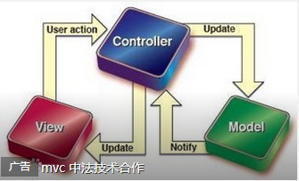

 |  | 模型 - model
 |  | 模型是负责管理应用程序的数据。它响应来自控制器的请求。

 |  | 视图 - view
 |  | 在一个特定的格式的演示数据，由控制器决定触发显示数据。它们是基于脚本的模板系统，如JSP，ASP，PHP，非常容易使用AJAX技术的集成。

 |  | 控制器 - controller
 |  | 控制器负责响应于用户输入并执行交互数据模型对象。控制器接收到输入，它验证输入，然后执行修改数据模型的状态的业务操作。

 |  | Express架构也是基于MVC框架的！
 | 实例
 | 1 | npm install express
 | 2 | npm init
 |  | 生成相应的package.json file
 | 3 | npm install –save express
 |  | 安装 Node 模块时，如果指定了 --save 参数，那么此模块将被添加到 package.json 文件中 dependencies 依赖列表中
 |  | 然后通过 npm install 命令即可自动安装依赖列表中所列出的所有模块。
 |  | 执行后会发现，原来的package.json中多了如下配置
 |  | "main": "index.js",
 |  | "dependencies": {
 |  | "express": "^4.14.0"
 |  | }
 |  | 这样做的目的是当你上传项目到SVN中时，就不需要上传n多node_modules里的依赖包，只需要把这个package.json文件上传上去即可，这样，另一位项目组成员下载源码后，到对应目录执行下：cnpm install命令即可，它会自己查找package.json里依赖配置项并自动下载相应依赖包！
 | 4 | 根据package.json中配置的主入口文件名称
 |  | index.js
 |  | //引入express模块
 |  | var express = require('express');
 |  | //执行express函数返回应用对象app
 |  | var app = express();
 |  | // 设置端口默认3000
 |  | app.set('port', process.env.PORT || 3000);
 |  | // use方法指定中间件
 |  | // 定义404页面
 |  | app.use(function(req, res){
 |  | //type方法是快捷方法，设置Content-Type响应头
 |  | res.type('text/plain');
 |  | //设置相应状态
 |  | res.status(404);
 |  | //返回数据
 |  | res.send('404 - Not Found');
 |  | });

 |  | // 服务器内部错误处理
 |  | app.use(function(err, req, res, next){
 |  | console.error(err.stack);
 |  | // 设置返回类型
 |  | res.type('text/plain');
 |  | // 设置状态码
 |  | res.status(500);
 |  | // 返回数据
 |  | res.send('500 - Server Error');
 |  | });

 |  | // 应用监听端口3000
 |  | app.listen(app.get('port'), function(){
 |  | console.log('Express started on http://localhost:' + app.get('port'));
 |  | });
 | 5 | node index
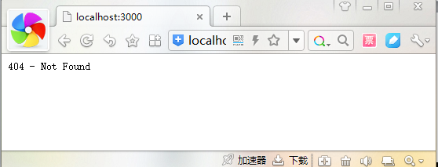

 | 6 | 重构index.js,做路由处理
 |  | // 路由，务必写在404处理的前面
 |  | // home
 |  | app.get('/', function(req, res){
 |  | res.type('text/palin');
 |  | res.send('Index!');
 |  | });

 |  | // about
 |  | app.get('/about',function(req,res){
 |  | res.type('text/plain');
 |  | res.send(' about ! ');
 |  | });


 | 附 | PS:注意路由可以使用通配符：
 |  | 如：/about* 将会批配：/about , /aboutUs , /aboutYou

 |  | PS : 在这里简单介绍一下Node的两个小基友，supervisor与forever
 |  | 1、Node的小基友supervisor
 |  | 每次修改代码后会自动重启。懒程序员就指望这种省事省力的工具活着了:)
 |  | 安装：npm install -g supervisor
 |  | 执行：supervisor app.js
 |  | 详见以下博客文章：nodejs之supervisor - Tekkaman - 博客园
 |  | http://www.cnblogs.com/tekkaman/archive/2013/03/31/2992530.html

 |  | 2、另一个小基友forever
 |  | 虚拟机一关node服务就关了，不过forever可以让node服务不停止，介绍如下，安装和执行不细说啦，我懒：
 |  | forever是一个简单的命令式nodejs的守护进程，能够启动，停止，重启App应用。forever完全基
 |  | 于命令行操作，在forever进程之下，创建node的子进程，通过monitor监控node子进程的运行情况，一旦文件更新，或者进程挂掉，forever会自动重启node服务器，确保应用正常运行。
 |  | 详见以下博客文章：使用forever运行nodejs应用 - Don - 博客园
 |  | http://www.cnblogs.com/Don/p/4661931.html

 |  | Express 是一个简洁而灵活的 node.js Web应用框架,它使用的MVC模式，提供了一系列强大特性帮助你创建各种 Web 应用，和丰富的 HTTP 工具。 使用 Express 可以快速地搭建一个完整功能的网站，它有一套健壮的特性，可用于开发单页、多页和混合Web应用。一般做Node.js开发，Express框架几乎都会使用到，属于我们学习Node.js必须要掌握的内容
6 | Node.js 操作MongoDB

MongoDB
download | https://www.mongodb.com/try
 | mongodb-win32-x86_64-2012plus-4.2.7-signed.msi
installation | win7: unclick mongodb compass
 | win8: accept the default settings
test installation | mongod --dbpath "C:\Program Files\MongoDB\Server\4.2\data"
 | 2020-06-10T08:49:51.647+0800 I CONTROL [main] Automatically disabling TLS 1.0,
 | to force-enable TLS 1.0 specify --sslDisabledProtocols 'none'
 | 2020-06-10T08:49:52.335+0800 W ASIO [main] No TransportLayer configured dur
 | ing NetworkInterface startup
 | 2020-06-10T08:49:52.337+0800 I CONTROL [initandlisten] MongoDB starting : pid=
 | 2096 port=27017 dbpath=C:\Program Files\MongoDB\Server\4.2\data 64-bit host=dln-
 | l-ll01
 | 2020-06-10T08:49:52.337+0800 I CONTROL [initandlisten] targetMinOS: Windows 7/
 | Windows Server 2008 R2
 | 2020-06-10T08:49:52.338+0800 I CONTROL [initandlisten] db version v4.2.7
 | 2020-06-10T08:49:52.338+0800 I CONTROL [initandlisten] git version: 51d9fe12b5
 | d19720e72dcd7db0f2f17dd9a19212
 | 2020-06-10T08:49:52.339+0800 I CONTROL [initandlisten] allocator: tcmalloc
 | 2020-06-10T08:49:52.340+0800 I CONTROL [initandlisten] modules: none
 | 2020-06-10T08:49:52.340+0800 I CONTROL [initandlisten] build environment:
 | 2020-06-10T08:49:52.341+0800 I CONTROL [initandlisten] distmod: 2012plus
 | 2020-06-10T08:49:52.342+0800 I CONTROL [initandlisten] distarch: x86_64
 | 2020-06-10T08:49:52.342+0800 I CONTROL [initandlisten] target_arch: x86_64

 | 2020-06-10T08:49:52.344+0800 I CONTROL [initandlisten] options: { storage: { d
 | bPath: "C:\Program Files\MongoDB\Server\4.2\data" } }
 | 2020-06-10T08:49:52.348+0800 I STORAGE [initandlisten] exception in initAndLis
 | ten: IllegalOperation: Attempted to create a lock file on a read-only directory:
 | C:\Program Files\MongoDB\Server\4.2\data, terminating
 | 2020-06-10T08:49:52.349+0800 I NETWORK [initandlisten] shutdown: going to clos
 | e listening sockets...
 | 2020-06-10T08:49:52.349+0800 I - [initandlisten] Stopping further Flow C
 | ontrol ticket acquisitions.
 | 2020-06-10T08:49:52.350+0800 I CONTROL [initandlisten] now exiting
 | 2020-06-10T08:49:52.351+0800 I CONTROL [initandlisten] shutting down with code
 | :100
 | visit:
 | http://localhost:27017/
 | It looks like you are trying to access MongoDB over HTTP on the native driver port.
Basic Usage | One cmd mongod --dbpath "<data path>"
 | Another cmd run mongo to enter the mongodb commind line
create database | > use testDB
 | switched to db testDB
show current database | > db
 | testDB
show all the dbs | > show dbs | 注意此时显示的只会有local数据库，却没有testDB，
 | admin 0.000GB | 原因是因此时数据库并没有集合（数据），所以此时只有逻辑数据库产生，并没有产真正意义上的物理数据
 | config 0.000GB | 必须调用db.createCollection("集合名")后，具体的后面会讲到，再次运行： show dbs命令，才能看到testDB数据库
 | local 0.000GB | 另外，mongodb的命令是区分大小写的，这一点也是要注意！
delete database | use testDB
 | db.dropDatabase()
create collections | use testDB
 | db.createCollection("myCollection")
 | show collections
 | // 几个重要的参数
 | >db.createCollection("mycol", { capped : true, autoIndexID : true, size : 6142800, max : 10000 } )
 | // 当插入一些文件，自动创建集合
 | >db.newdb.insert({"name" : "yiibai"})
delete collections | use testDB
 | show collections
 | db.mycollection.drop()
Advanced Usage | 支持许多数据类型的列表下面给出
String | 这是最常用的数据类型来存储数据。在MongoDB中的字符串必须是有效的UTF-8。
Integer | 这种类型是用来存储一个数值。整数可以是32位或64位，这取决于您的服务器。
Boolean | 此类型用于存储一个布尔值 (true/ false) 。
Double | 这种类型是用来存储浮点值。
Min/Max keys | 这种类型被用来对BSON元素的最低和最高值比较。
Arrays | 使用此类型的数组或列表或多个值存储到一个键。
Timestamp | 可以方便记录时的文件已被修改或添加。
Object | 此数据类型用于嵌入式的文件。
Null | 这种类型是用来存储一个Null值。
Symbol | 此数据类型用于字符串相同，但它通常是保留给特定符号类型的语言使用。
Date | 此数据类型用于存储当前日期或时间的UNIX时间格式。可以指定自己的日期和时间，日期和年，月，日到创建对象。
Object ID | 此数据类型用于存储文档的ID。
Binary data | 此数据类型用于存储二进制数据。
Code | 此数据类型用于存储到文档中的JavaScript代码。
Regular expression | 此数据类型用于存储正则表达式

插入文档 | insert()
 | >db.COLLECTION_NAME.insert(document)

 | >db.mycol.insert({
 | title: 'MongoDB Overview',
 | description: 'MongoDB is no sql database',
 | by: 'tutorials yiibai',
 | url: 'http://www.yiibai.com',
 | tags: ['mongodb', 'database', 'NoSQL'],
...
 | 删除所有文件
 | >db.mycol.remove({'title':'MongoDB Overview'})
 | 只删除第一条记录，必须设置 justOne 参数
 | >db.mycol.insert({'title':'a','clicks':2})
 | >db.mycol.insert({'title':'a','clicks':3})
 | 删除所有文件
 | >db.mycol.remove()
查询文档
find() | >db.COLLECTION_NAME.find()
pretty() | >db.mycol.find().pretty() | json 格式
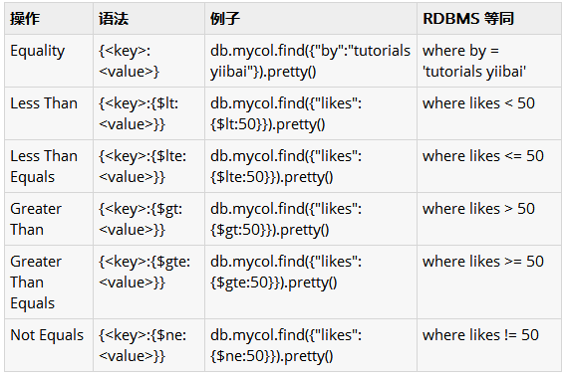

 | >db.mycol.find({key1:value1, key2:value2}).pretty()
 | [
 | {
 | "Name": "Jacky",
 | "Sex": "boy",
 | "Job": "IT"
 | },
 | {
 | "Name": "Henry",
 | "Sex": "boy",
...

